Introduction
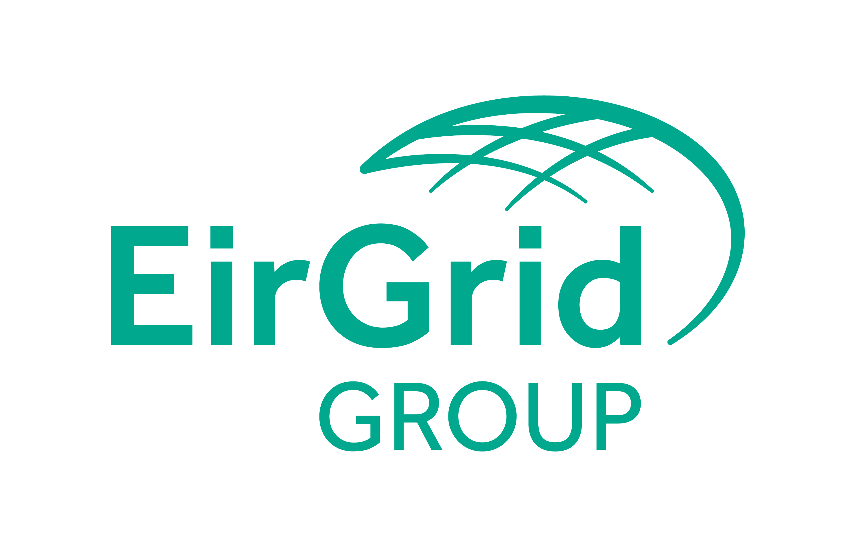
This document contains the form needed to request, modify or de-activate EIC codes. Please send your completed request form to:
EirGrid LIO mailbox: eic@eirgrid.com

EirGrid LIO will process and validate the request form, consulting the Central Issuing Office (CIO) for International codes[1].

You will then be allocated your EIC code. You will receive notification of your new code via email.
The new code will be published on the EirGrid LIO website and the CIO website if the code is an International one.
The link to the EirGrid website is:http://www.eirgridgroup.com/customer-and-industry/general-customer-information/eic-codes/
The link to the CIO website is: https://www.entsoe.eu/data/energy-identification-codes-eic/Pages/default.aspx

[1] A Local EIC code is allocated for activities limited to a single geographical area and is not used in another country where as an International EIC code is allocated for activities on one or several geographical area(s) which may cross borders with another country.

Disclaimer:

Only EIC codes published in the CIO or LIO websites are to be considered as valid EIC codes.

Begin Request
FALSE
FALSE

EIC Request
Please enter all Company and request details as instructed throughout and click 'Finish'.

This form is to be completed and sent to eic@eirgrid.com
Note: All blue cells are mandatory

Full name of the company
Registered Address
Postal Code
City
Country
VAT Code
ACER Code
Contact Name for EIC
Contact Email
Contact Phone
Company Function 1 *
Company Function 2
Company Function 3
Company Function 4
EIC Locality
EIC Description
Reason for EIC Code request
Reason for request, if other

Request for (select only one box):
Creation of EIC code:
Type of EIC code:
EIC Parent
EIC Responsible Party
SEM IDs

Update of information for existing code:
EIC code(s) to be updated:

(List the EIC code (s) to be updated - In the form, only the fields to be updated are to be filled in)
Deactivation of EIC code:
EIC code(s) to be deactivated:

(List the EIC code(s) to be deactivated - In the form, simply indicate your name and function)

Request made by
Title
Signature

FALSE

FALSE
FALSE
FALSE
RESET
Finish

EIC Code Types
For full definitions of the EIC Code Types, please visit: https://www.entsoe.eu/data/energy-identification-codes-eic/eic-documentation/Pages/default.aspx

Parties - object type "X", Market Participants or organisations active in the energy market

Areas – object type “Y”, Areas for inter System Operator data interchange

Measuring Points – object type “Z”, Energy Metering points

Resource objects – object type “W”, such as generation / production plants, consumption units, etc

Tie-lines – object type “T”, International tie lines between areas

Location – object type “V”, Physical or logical place where a market participant or IT system is located

Substation - object type "A", Substation

List of allowed functions
For full definitions of the functions listed below, please visit: https://emr.entsoe.eu/glossary/bin/view/GlossaryCode/GlossaryIndex
A minimum of one function should be used, up to a maximum of four.

X code types:
Balance Responsible Party
Balance Supplier
Capacity Trader
Consumer
Coordination Center Operator
Grid Access Provider
Grid Operator
Imbalance Settlement Responsible
Information Provider
Interconnection Trade Responsible
Market Operator
Meter Administrator

Metered Data Responsible
Metering Point Administrator
Nomination Validator
Party Connected To Grid
Producer
Production Responsible party
Profile Maintenance Party
Resource Provider
Storage System Operator*
System Operator
Trade Responsible Party
Transmission Capacity Allocator
New functions
LNG System Operator (LSO)*
Storage System Operator (SSO)*
Distribution System Operator (DSO)
Network User (aka shipper)*
Platform Operator (service provider)*
Market Area Operator
Measurement Service Provider
Metering Point Operator
Balance group responsible party

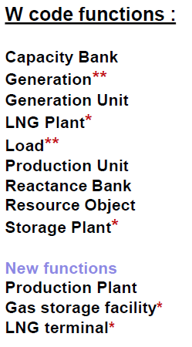
Y code types:
Balance Group
Bidding Zone
Border Area
Control Area
Control Block
Coordination Center Zone
Distribution Network Area
ITC*
Local Market Area
Market Balance Area
Market Area
Member State
Metering Grid Area
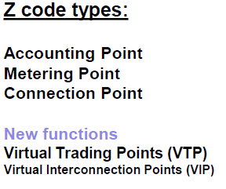

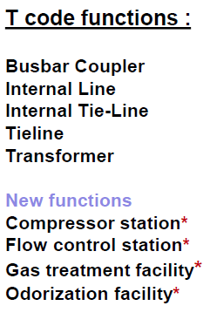

A code types:
Substation
Passive Node (T-Point)
V code types:
Location
Endpoint
IT-System

* = Valid in the Gas Market

**=Functions Generation and Load are only informative and not exhaustive.

EIC Parent
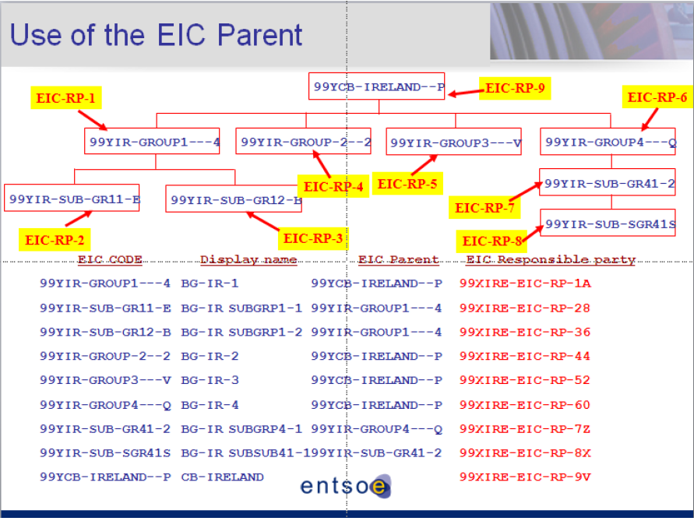
Use of the EIC parent
EIC Parent identifies the relationship between the parent and child objects. This allows the issuing office to define a hierarchy of units.
EIC Parents define a relationship between two EIC codes of the same type (e.g. a company with its subsidiary, a production unit with its generating unit, an area with a subarea etc.)
W Code W Code

EIC Responsible Party
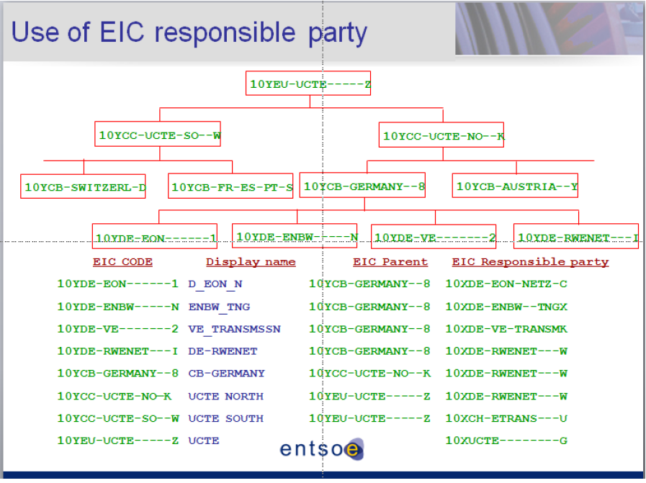
Use of the EIC Responsible Party
EIC Responsible Party identifies the party responsible for the management of “A”, “T”, “V”, “Y”, “W” or “Z” object types.
It shows the relationship between the EIC Party (X) Code (which is issued based on legal entity or at organisational level) and the Resource Object (W) Code (i.e. Generation Unit)
W Code X Code

