Demand - IE
Demand Forecast for Ireland

2.2(c) Forecasting Causal Inputs

Table 2.1 - Average annual growths for macroeconomic parameters, as advised by the ESRI

 |  | 2021-2023 | 2024-2031
 | Real GNI* | 6.7% | 3.0%
 | Personal Consumption | 5.2% | 2.5%

2.2(d) Forecasting Data Centres and New Technology Loads in Ireland

Table 2.2 - Forecasted data centre and new tech loads demand by 2031, which is additional to the 600 MVA of data centre and new tech load demand assumed for 2022

 | Forecast Scenario | Additional data centre/new tech load by 2031 in MVA | Overall 2031 Demand in MVA
 | Low | 425 | 1025
 | Median | 891 | 1491
 | High | 1395 | 1995

Figure 2.1 - Ireland demand expected from assumed build-out of data centres and new tech loads. EirGrid incorporate this demand into the low, median and high demand forecast scenarios for 2031

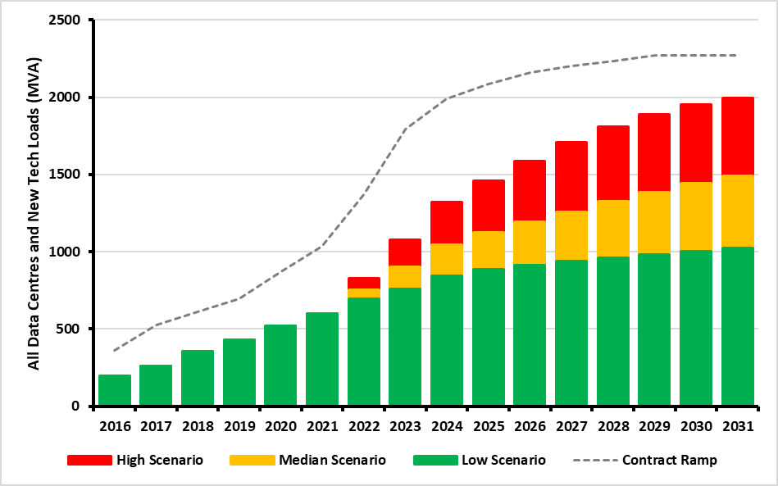
 | Year | MIC Total (MVA) | Contract Ramp (MVA) | Low Scenario (MVA) | Median Scenario (MVA) | High Scenario (MVA)
 | 2016 | 462 | 360
 | 2017 | 714 | 528
 | 2018 | 846 | 611
 | 2019 | 1036 | 698
 | 2020 | 1077 | 869
 | 2021 | 1752 | 1037
 | 2022 | 1933 | 1371 | 695 | 752 | 830
 | 2023 | 2180 | 1796 | 759 | 901 | 1078
 | 2024 | 2768 | 1993 | 844 | 1044 | 1320
 | 2025 | 3243 | 2083 | 887 | 1124 | 1458
 | 2026 | 3243 | 2159 | 916 | 1193 | 1586
 | 2027 | 3243 | 2200 | 939 | 1260 | 1707
 | 2028 | 3243 | 2234 | 960 | 1325 | 1810
 | 2029 | 3243 | 2270 | 982 | 1387 | 1890
 | 2030 | 3243 | 2270 | 1005 | 1442 | 1954
 | 2031 | 3243 | 2270 | 1025 | 1491 | 1995

2.2(e) Forecast Scenarios and Climate Action Plan 2021

Table 2.3: Climate Action Plan 2021 targets for EV and Heat Pumps

 |  | EV |  |  | Heat Pump Installations
 |  | Passenger | Commercial |  | Residential - New Builds | Residential - Retrofits | Commercial
 | 2025 | 175,000 | 20,000 |  | 100,000 | 100,000 | 15,000
 | 2030 | 845,000 | 95,000 |  | 250,000 | 400,000 | 50,000

Figure 2.2 – EV Energy Demand – Median Scenario

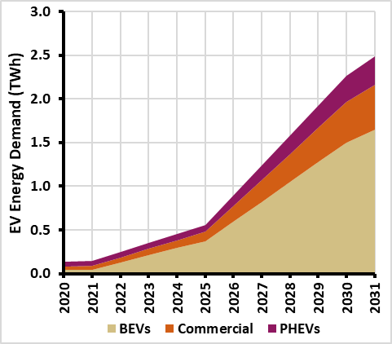
 | Year | BEVs (TWh) | PHEVs (TWh) | Commercial (TWh) | Total (TWh)
 | 2020 | 0.04 | 0.05 | 0.04 | 0.13
 | 2021 | 0.05 | 0.05 | 0.04 | 0.14
 | 2022 | 0.13 | 0.06 | 0.06 | 0.24
 | 2023 | 0.21 | 0.06 | 0.07 | 0.35
 | 2024 | 0.29 | 0.07 | 0.09 | 0.45
 | 2025 | 0.37 | 0.07 | 0.11 | 0.55
 | 2026 | 0.6 | 0.12 | 0.18 | 0.89
 | 2027 | 0.82 | 0.16 | 0.25 | 1.24
 | 2028 | 1.05 | 0.21 | 0.32 | 1.58
 | 2029 | 1.27 | 0.25 | 0.4 | 1.92
 | 2030 | 1.5 | 0.3 | 0.47 | 2.27
 | 2031 | 1.65 | 0.33 | 0.51 | 2.49

Figure 2.3 – Annual heat Pump Energy Demand

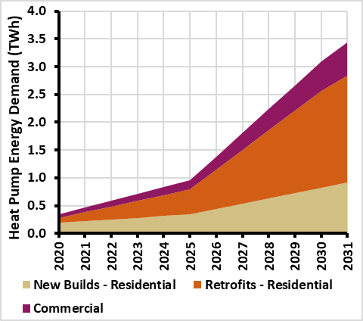
 | Year | New Builds - Residential (TWh) | Retrofits - Residential (TWh) | Commercial (TWh) | Total (TWh)
 | 2020 | 0.2 | 0.1 | 0.1 | 0.3
 | 2021 | 0.2 | 0.2 | 0.1 | 0.5
 | 2022 | 0.3 | 0.2 | 0.1 | 0.6
 | 2023 | 0.3 | 0.3 | 0.1 | 0.7
 | 2024 | 0.3 | 0.4 | 0.1 | 0.8
 | 2025 | 0.3 | 0.5 | 0.2 | 1
 | 2026 | 0.4 | 0.7 | 0.2 | 1.4
 | 2027 | 0.5 | 1 | 0.3 | 1.8
 | 2028 | 0.6 | 1.2 | 0.4 | 2.2
 | 2029 | 0.7 | 1.5 | 0.5 | 2.7
 | 2030 | 0.8 | 1.7 | 0.5 | 3.1
 | 2031 | 0.9 | 1.9 | 0.6 | 3.4

2.2(f) Total Electricity Requirement (TER)

Figure 2.4 - Total Electricity Requirement forecast for Ireland 2021 – 2031

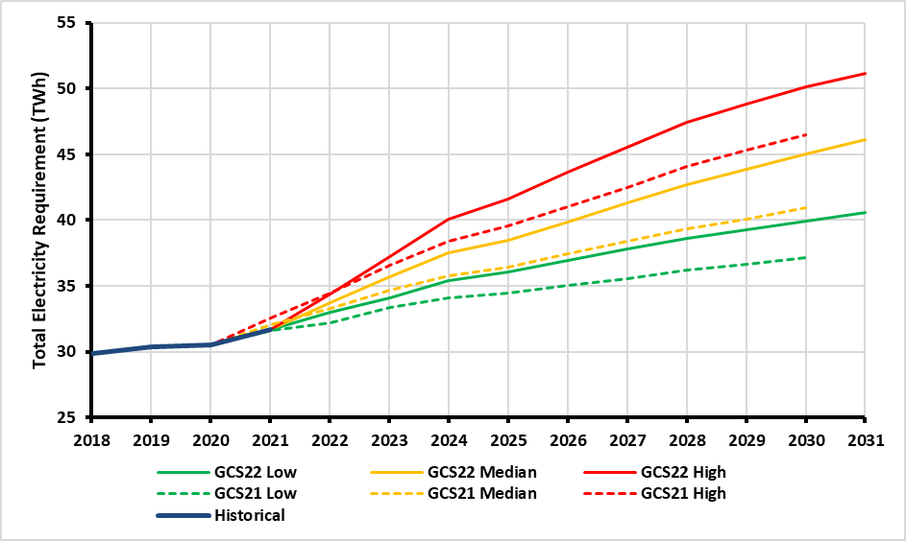
 |  | Historical (TWh) | GCS21 (TWh) |  |  | GCS22 (TWh)
 | Year |  | Low | Median | High | Low | Median | High
 | 2018 | 29.8
 | 2019 | 30.4
 | 2020 | 30.5
 | 2021 | 31.7 | 31.6 | 32.1 | 32.6
 | 2022 |  | 32.2 | 33.3 | 34.5 | 33 | 33.7 | 34.4
 | 2023 |  | 33.4 | 34.7 | 36.6 | 34.1 | 35.7 | 37.2
 | 2024 |  | 34.1 | 35.8 | 38.4 | 35.4 | 37.5 | 40.1
 | 2025 |  | 34.5 | 36.5 | 39.6 | 36 | 38.5 | 41.6
 | 2026 |  | 35 | 37.5 | 41 | 37 | 39.9 | 43.6
 | 2027 |  | 35.6 | 38.4 | 42.5 | 37.8 | 41.3 | 45.6
 | 2028 |  | 36.2 | 39.4 | 44.1 | 38.6 | 42.7 | 47.4
 | 2029 |  | 36.6 | 40.1 | 45.3 | 39.3 | 43.9 | 48.8
 | 2030 |  | 37.1 | 40.9 | 46.5 | 40 | 45.1 | 50.1
 | 2031 |  |  |  |  | 40.6 | 46.1 | 51.2

Figure 2.5 - For the Ireland median demand scenario, this illustrates the approximate split into different sectors. EirGrid estimate that 28% of total demand will come from data centres and new tech loads by 2031

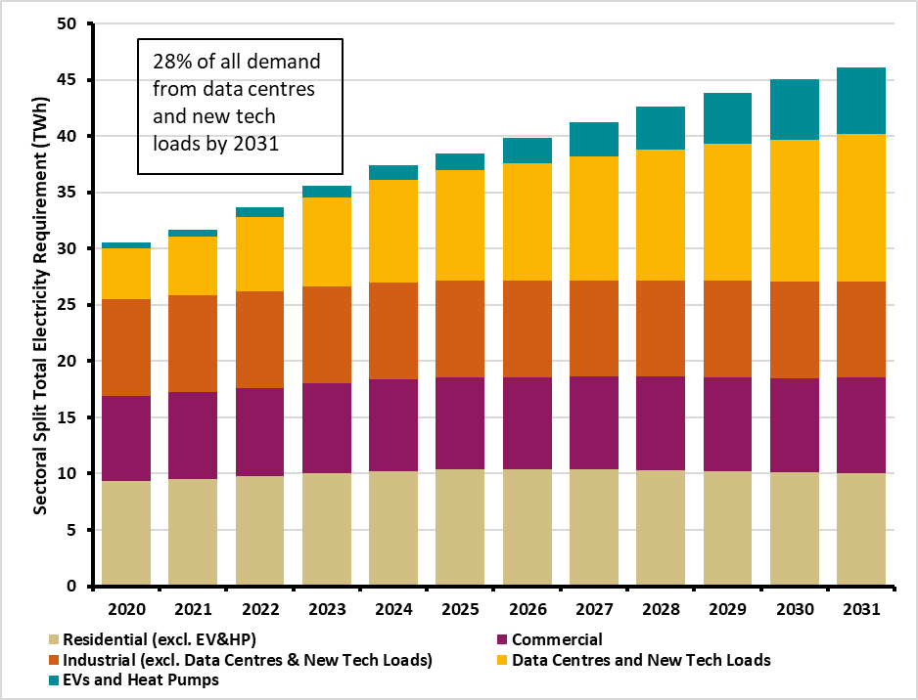
 | Year | Residential (excl. EV&HP) (TWh) | Commercial (TWh) | Industrial (excl. Data Centres & New Tech Loads) (TWh) | Data Centres and New Tech Loads (TWh) | EVs and Heat Pumps (TWh)
 | 2016 | 9 | 8 | 9.5 | 1.7 | 0
 | 2017 | 9.1 | 8.4 | 9.3 | 2.3 | 0
 | 2018 | 9.3 | 8.6 | 8.6 | 3.2 | 0
 | 2019 | 9.3 | 8.6 | 8.6 | 3.8 | 0.2
 | 2020 | 9.3 | 7.6 | 8.6 | 4.6 | 0.5
 | 2021 | 9.5 | 7.7 | 8.6 | 5.3 | 0.6
 | 2022 | 9.8 | 7.9 | 8.6 | 6.6 | 0.8
 | 2023 | 10.1 | 8 | 8.6 | 7.9 | 1.1
 | 2024 | 10.3 | 8.2 | 8.6 | 9.1 | 1.3
 | 2025 | 10.4 | 8.2 | 8.6 | 9.8 | 1.5
 | 2026 | 10.4 | 8.2 | 8.6 | 10.4 | 2.3
 | 2027 | 10.4 | 8.2 | 8.6 | 11 | 3
 | 2028 | 10.3 | 8.3 | 8.6 | 11.6 | 3.8
 | 2029 | 10.2 | 8.3 | 8.6 | 12.1 | 4.6
 | 2030 | 10.1 | 8.4 | 8.6 | 12.6 | 5.4
 | 2031 | 10.1 | 8.4 | 8.6 | 13.1 | 5.9

Table 2.4 - Energy share per sector

 |  | 2021 (%) | 2031 (%)
 | Residential (excl. EV/HP) | 30 | 22
 | Commercial | 24 | 18
 | Industry (excl. DC + new tech loads) | 27 | 19
 | DC + new tech loads | 17 | 28
 | EV + Heat Pumps | 2 | 13

2.2(g) Peak Demand Forecasting – Temperature Correction

Figure 2.6 - Past values of recorded maximum demand in Ireland, and the ACS temperature-corrected values

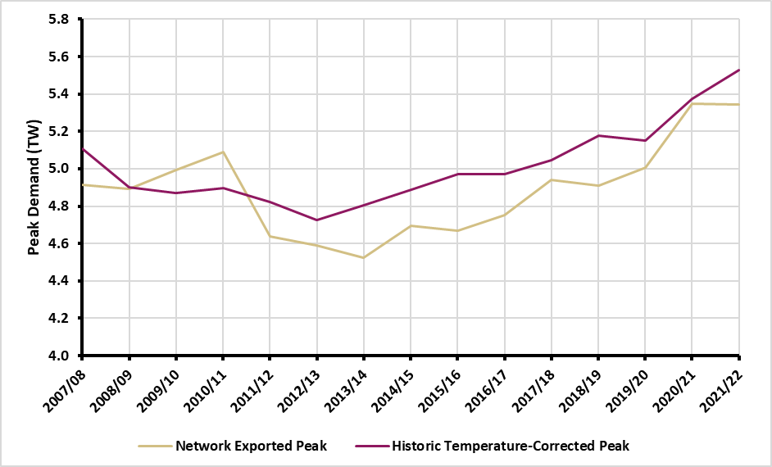
 | Year | Network Exported Peak (TW) | Historic Temperature-Corrected Peak (TW)
 | 2002/03 | 4.25 | 4.33
 | 2003/04 | 4.18 | 4.27
 | 2004/05 | 4.38 | 4.56
 | 2005/06 | 4.67 | 4.85
 | 2006/07 | 4.86 | 5.02
 | 2007/08 | 4.91 | 5.11
 | 2008/09 | 4.89 | 4.9
 | 2009/10 | 4.99 | 4.87
 | 2010/11 | 5.09 | 4.9
 | 2011/12 | 4.64 | 4.82
 | 2012/13 | 4.59 | 4.73
 | 2013/14 | 4.52 | 4.8
 | 2014/15 | 4.7 | 4.89
 | 2015/16 | 4.67 | 4.97
 | 2016/17 | 4.75 | 4.97
 | 2017/18 | 4.94 | 5.05
 | 2018/19 | 4.91 | 5.18
 | 2019/20 | 5.01 | 5.15
 | 2020/21 | 5.35 | 5.37
 | 2021/22 | 5.35 | 5.53

2.2(h) Peak Demand Forecasting – Impact of ‘Smartness’

Figure 2.7 – The impact of Smart Metering and EV Smart Charging on the daily peak. The above graph is indicative of the peak day in the 2030 median scenario

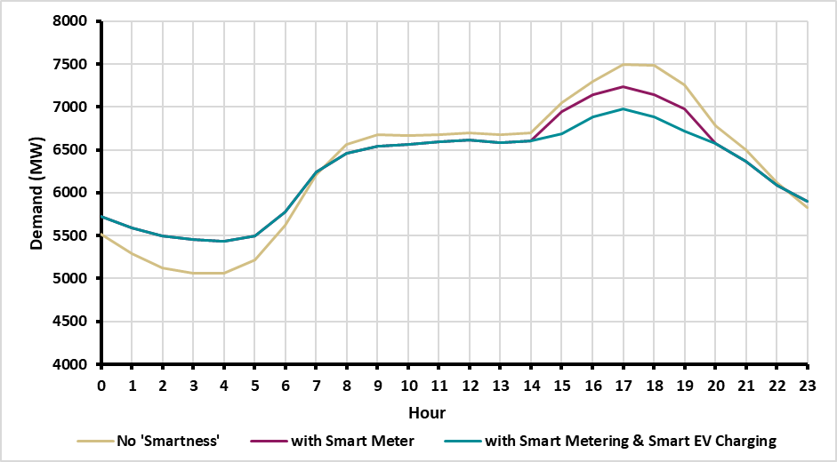
 | Hr | with Smart Metering & Smart EV Charging (MW) | with Smart Meter (MW) | No 'Smartness' (MW)
 | 0 | 5730 | 5730 | 5520
 | 1 | 5590 | 5590 | 5290
 | 2 | 5500 | 5500 | 5130
 | 3 | 5460 | 5460 | 5060
 | 4 | 5430 | 5430 | 5060
 | 5 | 5500 | 5500 | 5220
 | 6 | 5780 | 5780 | 5620
 | 7 | 6250 | 6250 | 6210
 | 8 | 6460 | 6460 | 6570
 | 9 | 6550 | 6550 | 6680
 | 10 | 6570 | 6570 | 6670
 | 11 | 6590 | 6590 | 6680
 | 12 | 6620 | 6620 | 6700
 | 13 | 6580 | 6580 | 6680
 | 14 | 6610 | 6610 | 6690
 | 15 | 6690 | 6950 | 7050
 | 16 | 6880 | 7140 | 7300
 | 17 | 6980 | 7240 | 7500
 | 18 | 6890 | 7150 | 7480
 | 19 | 6720 | 6980 | 7260
 | 20 | 6570 | 6570 | 6780
 | 21 | 6370 | 6370 | 6500
 | 22 | 6080 | 6080 | 6120
 | 23 | 5900 | 5900 | 5820

Figure 2.8 - Impact of Smartness in median Scenario across the decade

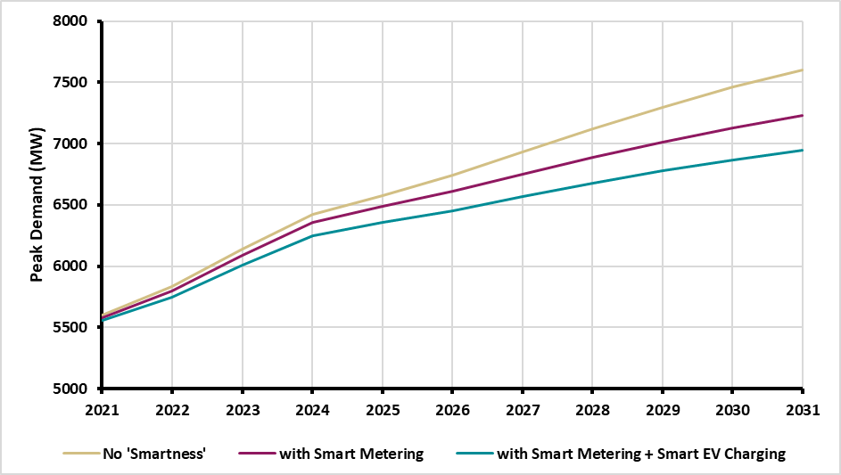
 | Year | with Smart Metering + Smart EV Charging (MW) | with Smart Metering (MW) | No 'Smartness' (MW)
 | 2021 | 5550 | 5580 | 5600
 | 2022 | 5750 | 5800 | 5840
 | 2023 | 6010 | 6090 | 6140
 | 2024 | 6250 | 6350 | 6420
 | 2025 | 6360 | 6490 | 6570
 | 2026 | 6450 | 6610 | 6740
 | 2027 | 6570 | 6750 | 6930
 | 2028 | 6680 | 6890 | 7120
 | 2029 | 6780 | 7010 | 7300
 | 2030 | 6870 | 7130 | 7460
 | 2031 | 6940 | 7230 | 7600

2.2(i) Peak Demand Forecasting – Overall

Figure 2.9 - Transmission peak forecast for Ireland

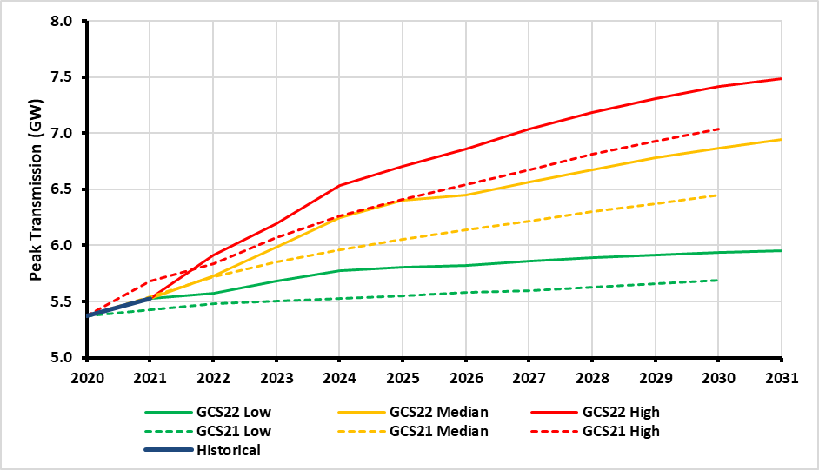
 |  | Historical (GW) | GCS21 (GW) |  |  | GCS22 (GW)
 | Year |  | Low | Median | High | Low | Median | High
 | 2016 | 5
 | 2017 | 5.1
 | 2018 | 5.2
 | 2019 | 5.2
 | 2020 | 5.4
 | 2021 | 5.5 | 5.4 | 5.5 | 5.7
 | 2022 |  | 5.5 | 5.7 | 5.8 | 5.6 | 5.7 | 5.9
 | 2023 |  | 5.5 | 5.9 | 6.1 | 5.7 | 6 | 6.2
 | 2024 |  | 5.5 | 6 | 6.3 | 5.8 | 6.3 | 6.5
 | 2025 |  | 5.6 | 6.1 | 6.4 | 5.8 | 6.4 | 6.7
 | 2026 |  | 5.6 | 6.1 | 6.5 | 5.8 | 6.5 | 6.9
 | 2027 |  | 5.6 | 6.2 | 6.7 | 5.9 | 6.6 | 7
 | 2028 |  | 5.6 | 6.3 | 6.8 | 5.9 | 6.7 | 7.2
 | 2029 |  | 5.7 | 6.4 | 6.9 | 5.9 | 6.8 | 7.3
 | 2030 |  | 5.7 | 6.5 | 7 | 5.9 | 6.9 | 7.4
 | 2031 |  |  |  |  | 6 | 6.9 | 7.5

Data Centre Demand

 |  | Historical (MW) | GCS22 (MW)
 | Year |  | Low | Median | High
 | 2016 | 134
 | 2017 | 174
 | 2018 | 256
 | 2019 | 319
 | 2020 | 410
 | 2021 | 490
 | 2022 |  | 544 | 591 | 652
 | 2023 |  | 601 | 695 | 840
 | 2024 |  | 659 | 784 | 1010
 | 2025 |  | 702 | 864 | 1148
 | 2026 |  | 731 | 933 | 1276
 | 2027 |  | 754 | 1000 | 1397
 | 2028 |  | 775 | 1065 | 1500
 | 2029 |  | 797 | 1127 | 1580
 | 2030 |  | 820 | 1182 | 1644
 | 2031 |  | 840 | 1231 | 1685

 | *Note, for the purposes of forecasting, the GCS assumes unity power factor (1 MVA = 1 MW)

Demand - NI
Demand Forecast for Northern Ireland

2.3(b) Demand Scenarios

Table 2.5 - Number of EV and Heat Pump installations included in the median demand forecast

 |  | Low |  | Median |  | High
 |  | Electric Vehicles | Heat Pump Installations | Electric Vehicles | Heat Pump Installations | Electric Vehicles | Heat Pump Installations
 | 2025 | 35,000 | 16,000 | 64,000 | 42,000 | 86,000 | 42,000
 | 2030 | 158,000 | 26,000 | 273,000 | 67,000 | 372,000 | 67,000

2.3(d) TER Forecast

Figure 2.10 - Northern Ireland TER Forecast

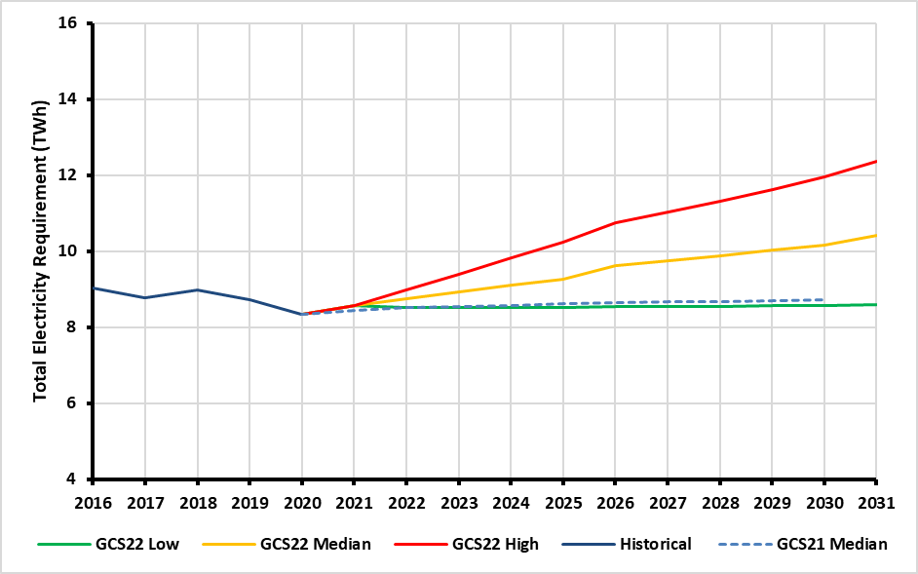
 | Year | Historical (TWh) | GCS21 Median (TWh) | GCS22 Low (TWh) | GCS22 Median (TWh) | GCS22 High (TWh)
 | 2016 | 9.0
 | 2017 | 8.8
 | 2018 | 9.0
 | 2019 | 8.7
 | 2020 | 8.3
 | 2021 | 8.6 | 8.4
 | 2022 |  | 8.5 | 8.5 | 8.8 | 9.0
 | 2023 |  | 8.5 | 8.5 | 8.9 | 9.4
 | 2024 |  | 8.6 | 8.5 | 9.1 | 9.8
 | 2025 |  | 8.6 | 8.5 | 9.3 | 10.2
 | 2026 |  | 8.6 | 8.5 | 9.6 | 10.8
 | 2027 |  | 8.6 | 8.5 | 9.7 | 11.0
 | 2028 |  | 8.7 | 8.6 | 9.9 | 11.3
 | 2029 |  | 8.7 | 8.6 | 10.0 | 11.6
 | 2030 |  | 8.7 | 8.6 | 10.2 | 12.0
 | 2031 |  |  | 8.6 | 10.4 | 12.4

Figure 2.11 - Illustrates how the TER demand forecast is built up from the various demand components for the years 2025 and 2030. Growth in TER from 2025 is primarily driven by the electrification of heat and transport with government policies and incentives expected to drive growth.

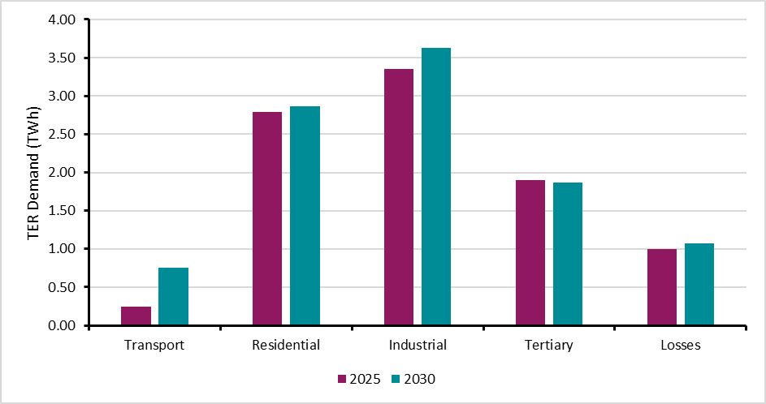

 |  | Transport | Residential | Industrial | Tertiary | Losses | Total
 | 2025 | 0.24 | 2.79 | 3.35 | 1.90 | 1.00 | 9.28
 | 2030 | 0.75 | 2.86 | 3.63 | 1.87 | 1.07 | 10.18

2.3(e) Peak Demand Forecasting

Figure 2.12 - ACS Transmission Peak forecasts for Northern Ireland

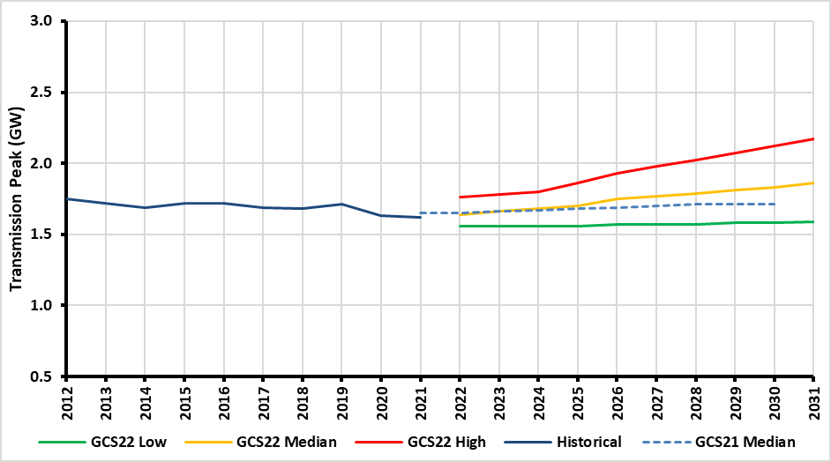
 | Year | Historical (GW) | GCS21 Median (GW) | GCS22 Low (GW) | GCS22 Median (GW) | GCS22 High (GW)
 | 2011 | 1.71
 | 2012 | 1.75
 | 2013 | 1.72
 | 2014 | 1.69
 | 2015 | 1.72
 | 2016 | 1.72
 | 2017 | 1.69
 | 2018 | 1.68
 | 2019 | 1.71
 | 2020 | 1.63
 | 2021 | 1.62 | 1.65
 | 2022 |  | 1.65 | 1.56 | 1.64 | 1.76
 | 2023 |  | 1.66 | 1.56 | 1.66 | 1.78
 | 2024 |  | 1.67 | 1.56 | 1.68 | 1.8
 | 2025 |  | 1.68 | 1.56 | 1.7 | 1.86
 | 2026 |  | 1.69 | 1.57 | 1.75 | 1.93
 | 2027 |  | 1.7 | 1.57 | 1.77 | 1.98
 | 2028 |  | 1.71 | 1.57 | 1.79 | 2.02
 | 2029 |  | 1.71 | 1.58 | 1.81 | 2.07
 | 2030 |  | 1.71 | 1.58 | 1.83 | 2.12
 | 2031 |  |  | 1.59 | 1.86 | 2.17

Demand - AI
Demand Forecast for All-Island

2.4 The Combined All-Island Forecast

Figure 2.13 - Combined TER forecast for the All-Island system.

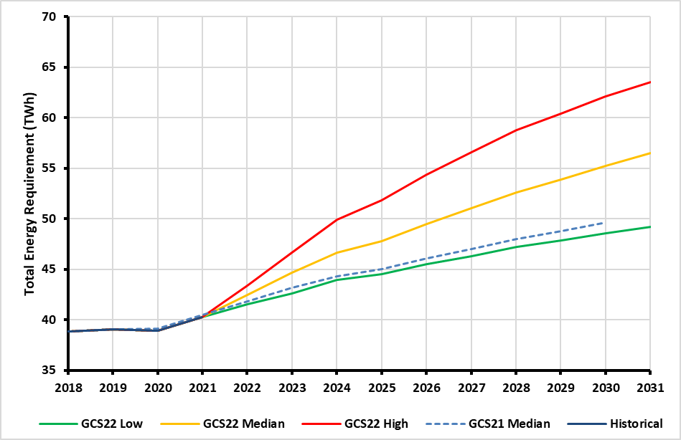

 | Year | Historical (TWh) | GCS21 Median (TWh) | GCS22 Low (TWh) | GCS22 Median (TWh) | GCS22 High (TWh)
 | 2018 | 38.8
 | 2019 | 39.1
 | 2020 | 38.9
 | 2021 | 40.3 | 40.5
 | 2022 |  | 41.8 | 41.5 | 42.5 | 43.4
 | 2023 |  | 43.2 | 42.6 | 44.6 | 46.6
 | 2024 |  | 44.3 | 44.0 | 46.6 | 49.9
 | 2025 |  | 45.0 | 44.6 | 47.8 | 51.8
 | 2026 |  | 46.1 | 45.5 | 49.5 | 54.4
 | 2027 |  | 47.0 | 46.3 | 51.0 | 56.6
 | 2028 |  | 48.0 | 47.2 | 52.6 | 58.8
 | 2029 |  | 48.8 | 47.8 | 53.9 | 60.4
 | 2030 |  | 49.6 | 48.5 | 55.2 | 62.1
 | 2031 |  |  | 49.2 | 56.5 | 63.5

Figure 2.14 - Transmission Peak forecast for the combined All-Island forecast.

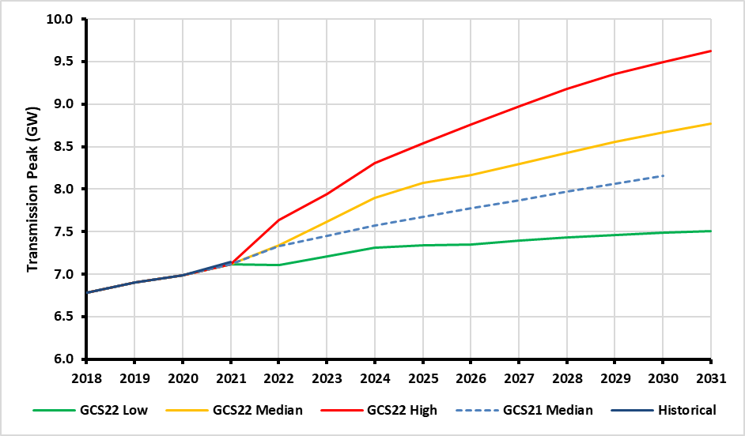
 | Year | Historical (GW) | GCS21 Median (GW) | GCS22 Low (GW) | GCS22 Median (GW) | GCS22 High (GW)
 | 2018 | 6.78
 | 2019 | 6.9
 | 2020 | 6.98
 | 2021 | 7.12 | 7.14
 | 2022 |  | 7.33 | 7.11 | 7.34 | 7.63
 | 2023 |  | 7.45 | 7.21 | 7.62 | 7.94
 | 2024 |  | 7.57 | 7.31 | 7.9 | 8.31
 | 2025 |  | 7.67 | 7.34 | 8.07 | 8.54
 | 2026 |  | 7.77 | 7.35 | 8.16 | 8.76
 | 2027 |  | 7.87 | 7.4 | 8.3 | 8.98
 | 2028 |  | 7.97 | 7.43 | 8.43 | 9.18
 | 2029 |  | 8.06 | 7.46 | 8.56 | 9.35
 | 2030 |  | 8.15 | 7.49 | 8.67 | 9.5
 | 2031 |  |  | 7.5 | 8.77 | 9.63

Generation - Renewable IE
Renewable Generation - IE

3.5(a) Wind Power in Ireland

Figure 3.3 - Assumed Build-out of renewables

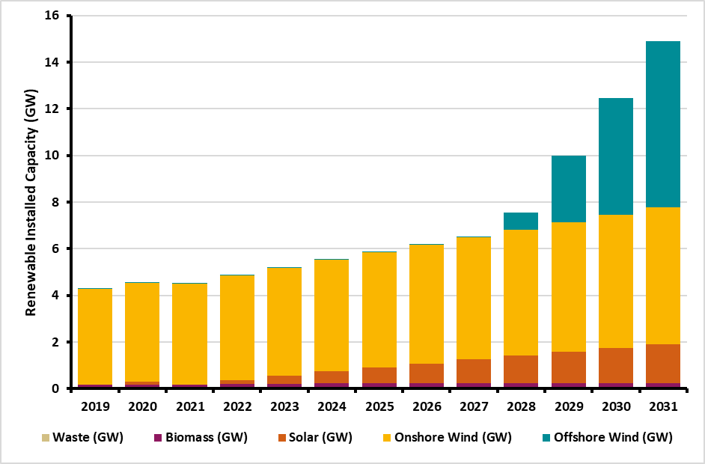
 | Year | Waste (GW) | Biomass (GW) | Solar (GW) | Onshore Wind (GW) | Offshore Wind (GW) | Hydro (GW)
 | 2019 | 0.077 | 0.088 | 0.016 | 4.088 | 0.025 | 0.242
 | 2020 | 0.077 | 0.088 | 0.139 | 4.234 | 0.025 | 0.242
 | 2021 | 0.077 | 0.088 | 0 | 4.33 | 0.025 | 0.242
 | 2022 | 0.077 | 0.131 | 0.167 | 4.482 | 0.025 | 0.242
 | 2023 | 0.077 | 0.131 | 0.333 | 4.634 | 0.025 | 0.242
 | 2024 | 0.077 | 0.172 | 0.5 | 4.787 | 0.025 | 0.242
 | 2025 | 0.077 | 0.172 | 0.667 | 4.939 | 0.025 | 0.242
 | 2026 | 0.077 | 0.172 | 0.833 | 5.091 | 0.025 | 0.242
 | 2027 | 0.077 | 0.172 | 1 | 5.243 | 0.025 | 0.242
 | 2028 | 0.077 | 0.172 | 1.167 | 5.396 | 0.725 | 0.242
 | 2029 | 0.077 | 0.172 | 1.333 | 5.548 | 2.863 | 0.242
 | 2030 | 0.077 | 0.172 | 1.5 | 5.7 | 5 | 0.242
 | 2031 | 0.077 | 0.172 | 1.667 | 5.852 | 7.138 | 0.242

Figure 3.4 - The actual and normalised energy produced from wind power in Ireland over the last ten years

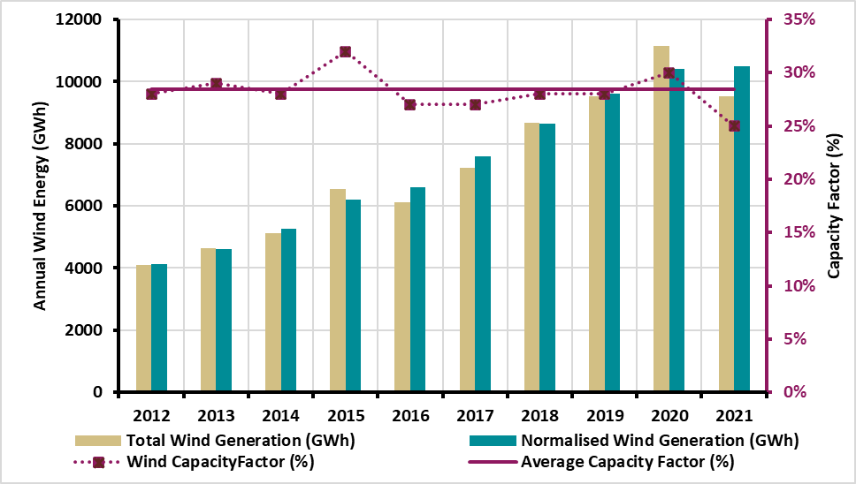
 | Year | Wind Installed Capacity (MW) | Total Wind Generation (GWh) | Normalised Wind Generation (GWh) | Wind CapacityFactor | Average Capacity Factor
 | 2012 | 1700 | 4100 | 4120 | 28% | 28%
 | 2013 | 1920 | 4640 | 4600 | 29%
 | 2014 | 2270 | 5120 | 5250 | 28%
 | 2015 | 2450 | 6540 | 6190 | 32%
 | 2016 | 2800 | 6120 | 6600 | 27%
 | 2017 | 3310 | 7230 | 7580 | 27%
 | 2018 | 3670 | 8690 | 8630 | 28%
 | 2019 | 4120 | 9530 | 9620 | 28%
 | 2020 | 4300 | 11140 | 10410 | 30%
 | 2021 | 4330 | 9530 | 10500 | 25%

Appendix 3 Generation Plant Information

Table A3-2 Partially/Non-Dispatchable plant in Ireland (MW)

 | At year end: | 2022 | 2023 | 2024 | 2025 | 2026 | 2027 | 2028 | 2029 | 2030 | 2031
 | Wind Onshore* | 4480 | 4630 | 4790 | 4940 | 5100 | 5250 | 5400 | 5550 | 5700 | 5850
 | Wind Offshore* | 25 | 25 | 25 | 25 | 25 | 25 | 725 | 2865 | 5000 | 7140
 | Small Scale Hydro | 26 | 26 | 26 | 26 | 26 | 26 | 26 | 26 | 26 | 26
 | Biomass and Biogas | 24 | 24 | 24 | 24 | 24 | 24 | 24 | 24 | 24 | 24
 | Biomass CHP | 30 | 30 | 30 | 30 | 30 | 30 | 30 | 30 | 30 | 30
 | Industrial | 9 | 9 | 9 | 9 | 9 | 9 | 9 | 9 | 9 | 9
 | Conventional CHP | 129 | 129 | 129 | 129 | 129 | 129 | 129 | 129 | 129 | 129
 | Solar PV | 167 | 333 | 500 | 667 | 833 | 1000 | 1167 | 1333 | 1500 | 1667
 | Total | 4890 | 5206 | 5533 | 5850 | 6176 | 6493 | 7510 | 9966 | 12418 | 14875

Table A3-3 All Renewable energy sources in Ireland (MW). We have assumed that the peat plant at Edenderry will be approximately 60% powered by biomass by 2021 and 100% biomass from 2024 onwards

 | At year end: | 2022 | 2023 | 2024 | 2025 | 2026 | 2027 | 2028 | 2029 | 2030 | 2031
 | All Wind* | 4505 | 4655 | 4815 | 4965 | 5125 | 5275 | 6125 | 8415 | 10700 | 12990
 | All Hydro | 242 | 242 | 242 | 242 | 242 | 242 | 242 | 242 | 242 | 242
 | Biomass/LFG (including those units registered in the Capacity Market and Biomass CHP) | 24 | 24 | 24 | 24 | 24 | 24 | 24 | 24 | 24 | 24
 | Waste (Assume 50% renewable) | 39 | 39 | 39 | 39 | 39 | 39 | 39 | 39 | 39 | 39
 | Peat Stations on Biomass | 77 | 77 | 118 | 118 | 118 | 118 | 118 | 118 | 118 | 0
 | Solar | 167 | 333 | 500 | 667 | 833 | 1000 | 1167 | 1333 | 1500 | 1667
 | Total RES | 5054 | 5370 | 5738 | 6055 | 6381 | 6698 | 7715 | 10171 | 12623 | 14962

Generation - Renewable NI
Renewable Generation - NI

3.5(b) Wind Power in Northern Ireland

Figure 3.5- The actual and normalised energy produced from wind power in Northern Ireland over the last ten years

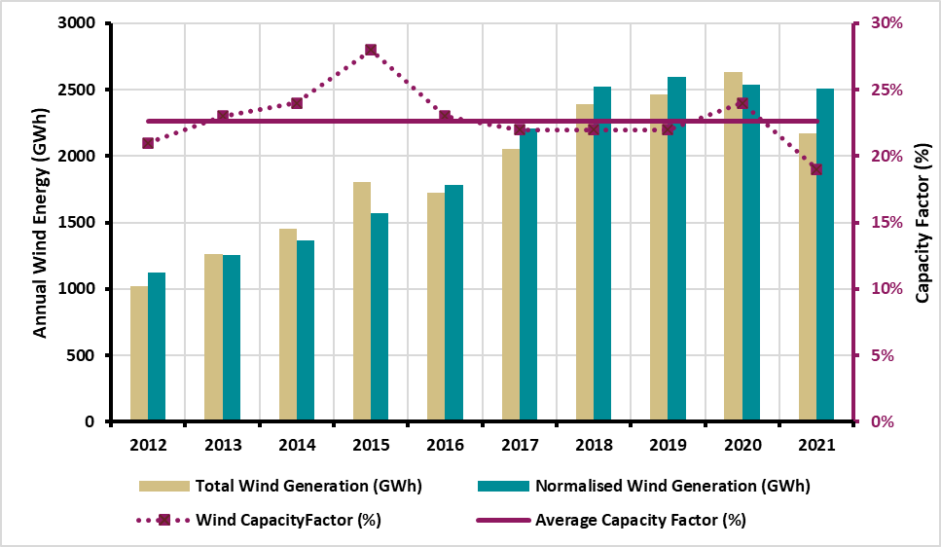
 | Year | Wind Installed Capacity (MW) | Total Wind Generation (GWh) | Normalised Wind Generation (GWh) | Wind CapacityFactor (%) | Average Capacity Factor (%)
 | 2012 | 600 | 1020 | 1120 | 21% | 23%
 | 2013 | 640 | 1260 | 1250 | 23%
 | 2014 | 730 | 1450 | 1360 | 24%
 | 2015 | 750 | 1800 | 1570 | 28%
 | 2016 | 940 | 1730 | 1780 | 23%
 | 2017 | 1150 | 2050 | 2210 | 22%
 | 2018 | 1280 | 2390 | 2520 | 22%
 | 2019 | 1280 | 2460 | 2600 | 22%
 | 2020 | 1280 | 2630 | 2540 | 24%
 | 2021 | 1350 | 2170 | 2510 | 19%

Figure 3.6- Growth of renewable capacity installed in Northern Ireland.

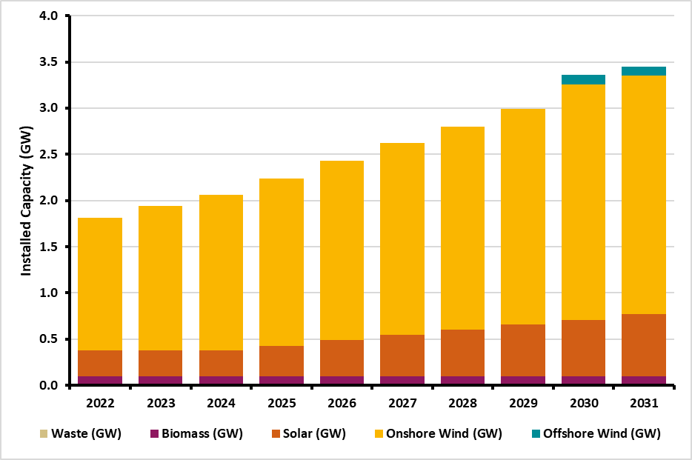
 | Year | Waste (GW) | Biomass (GW) | Solar (GW) | Onshore Wind (GW) | Offshore Wind (GW) | Hydro (GW)
 | 2022 | 0.015 | 0.079 | 0.285 | 1.43 | 0 | 0.006
 | 2023 | 0.015 | 0.079 | 0.285 | 1.56 | 0 | 0.006
 | 2024 | 0.015 | 0.079 | 0.285 | 1.68 | 0 | 0.006
 | 2025 | 0.015 | 0.079 | 0.335 | 1.81 | 0 | 0.006
 | 2026 | 0.015 | 0.079 | 0.395 | 1.94 | 0 | 0.006
 | 2027 | 0.015 | 0.079 | 0.455 | 2.07 | 0 | 0.006
 | 2028 | 0.015 | 0.079 | 0.505 | 2.2 | 0 | 0.006
 | 2029 | 0.015 | 0.079 | 0.565 | 2.33 | 0 | 0.006
 | 2030 | 0.015 | 0.079 | 0.615 | 2.55 | 0.1 | 0.006
 | 2031 | 0.015 | 0.079 | 0.675 | 2.58 | 0.1 | 0.006

Appendix 3 Generation Plant Information

Table A3-5 Partially/Non-Dispatchable plant in Northern Ireland (MW).

 | At year end: | 2022 | 2023 | 2024 | 2025 | 2026 | 2027 | 2028 | 2029 | 2030 | 2031
 | Large Scale Wind* | 1250 | 1380 | 1500 | 1630 | 1760 | 1890 | 2020 | 2150 | 2370 | 2500
 | Small Scale Wind | 180 | 180 | 180 | 180 | 180 | 180 | 180 | 180 | 180 | 180
 | Solar PV | 285 | 285 | 285 | 335 | 395 | 455 | 505 | 565 | 615 | 675
 | Small Scale Biogas | 24 | 24 | 24 | 24 | 24 | 24 | 24 | 24 | 24 | 24
 | Landfill Gas | 16 | 16 | 16 | 16 | 16 | 16 | 16 | 16 | 16 | 16
 | Small Scale Biomass | 6 | 6 | 6 | 6 | 6 | 6 | 6 | 6 | 6 | 6
 | Renewable CHP | 3 | 3 | 3 | 3 | 3 | 3 | 3 | 3 | 3 | 3
 | Other CHP | 6 | 6 | 6 | 6 | 6 | 6 | 6 | 6 | 6 | 6
 | Small Scale Hydro | 6 | 6 | 6 | 6 | 6 | 6 | 6 | 6 | 6 | 6
 | Waste-to-Energy | 15 | 15 | 15 | 15 | 15 | 15 | 15 | 15 | 15 | 15
 | Total | 1791 | 1921 | 2041 | 2221 | 2411 | 2601 | 2781 | 2971 | 3241 | 3431

Table A3-6 All Renewable energy sources in Northern Ireland (MW).

 | At year end: | 2022 | 2023 | 2024 | 2025 | 2026 | 2027 | 2028 | 2029 | 2030 | 2031
 | All Wind* | 1430 | 1560 | 1680 | 1810 | 1940 | 2070 | 2200 | 2330 | 2550 | 2680
 | Solar PV | 285 | 285 | 285 | 335 | 395 | 455 | 505 | 565 | 615 | 675
 | All Biomass/Biogas/LFGas/WTE | 79 | 79 | 79 | 79 | 79 | 79 | 79 | 79 | 79 | 79
 | Renewable CHP | 3 | 3 | 3 | 3 | 3 | 3 | 3 | 3 | 3 | 3
 | Hydro | 6 | 6 | 6 | 6 | 6 | 6 | 6 | 6 | 6 | 6
 | Total RES | 1803 | 1933 | 2053 | 2233 | 2423 | 2613 | 2793 | 2983 | 3253 | 3443

Generation - Auction Results
Generation Auction Results

3.1(a) SEM Capacity Market Auction Results

Figure 3.2 - Total All-Island de-rated awarded capacity from recent auctions (T-1 2022/2023, T-3 2024/2025, and T-4 2025/2026)

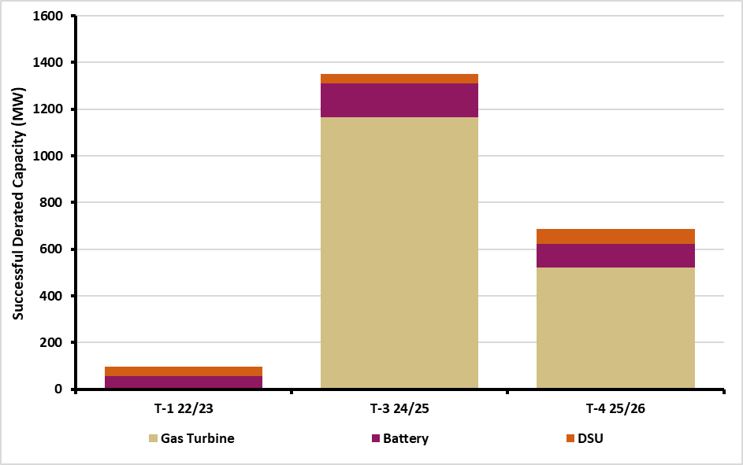
 | Auction | Gas Turbine (MWd) | Battery (MWd) | DSU (MWd)
 | T-1 22/23 | 5 | 53 | 40
 | T-3 24/25 | 1165 | 144 | 42
 | T-4 25/26 | 521 | 103 | 64

Table 3.1– Ireland: Assumptions for new conventional plant capacities for adequacy studies (rated MW) from T-1 22/23, T-4 24/25, T-3 24/25 and T-4 25/26. Note values are rounded to nearest 10.

 | Ireland | 2023 | 2024 | 2025 | 2026 | 2027
 | Gas Turbine | 0 | 120 | 190 | 790* | 140
 | * Denotes that there are units within this calendar year that are subject to ARHL

Table 3.2- Northern Ireland Assumptions for new conventional plant capacities for adequacy studies, including ARHL factor (rated MW) from T-1 22/23, T-4 24/25, T-3 24/25 and T-4 25/26. Note values are rounded to nearest 10.

 | Northern Ireland | 2023 | 2024 | 2025 | 2026 | 2027
 | Gas Turbine | 0 | 720 | 0 | 0** | 0
 | Steam Turbine | 0 | 0 | 0 | 310 | 0
 | ** ARHL removed as station converts to CCGT. This will increase the overall contribution to system adequacy

Appendix 2– Auction Results

Table A2-1 Capacity Market Auction Results

 | Auction | Date | Awarded Capacity (De-Rated)
 | 2018/2019 T-1 | 2017-12-15 | 7.774 GW
 | 2019/2020 T-1 | 2018-12-13 | 8.266 GW
 | 2020/2021 T-1 | 2019-11-26 | 7.606 GW
 | 2021/2022 T-2 | 2019-12-05 | 7.512 GW
 | 2022/2023 T-4 | 2019-03-28 | 7.412 GW
 | 2023/2024 T-4 | 2020-04-27 | 7.322 GW
 | 2024/2025 T-4 | 2021-01-21 | 6.168 GW
 | 2022/2023 T-1 | 2021-10-21 | 1.121 GW
 | 2024/2025 T-3 | 2022-01-20 | 1.471 GW
 | 2025/2026 T-4 | 2022-03-24 | 6.484 GW

Table A2-2 - Units issued with Termination Notices since 2021 in addition to those identified in GCS 2021

 | Plant | Technology Type | SEM CRM Auction | Awarded New Capacity Terminated (MW) | Termination issued
 | ESB-FlexGen | Gas Turbine | T-4 22/23 | 192.36 | 2021
 | EnerNoc | DSU | T-4 22/23 | 60.7 | 2021
 | ESB | Gas Turbine | T-4 23/24 | 11.49 | 2021
 | ESB | Gas Turbine | T-4 24/25 | 10.14 | 2021
 | EnerNoc | DSU | T-2 21/22 | 2.64 | 2021
 | Statkraft | Gas Turbine | T-4 24/25 | 45.1 | 2021
 | EnerNoc | DSU | T-2 21/22 | 1.51 | 2021
 | Energia | Gas Turbine | T-4 23/24 | 17.64 | 2022
 | EnerNOC | DSU | T-4 23/24 | 12.15 | 2022
 | Rhode Energy Storage | Battery | T-4 24/25 | 14.25 | 2022
 |  | Total |  | 367.98

Generation - Availability
Generation Auction Results

3.1 Introduction

Figure 3.1 Age breakdown of dispatchable plant on the All-Island system

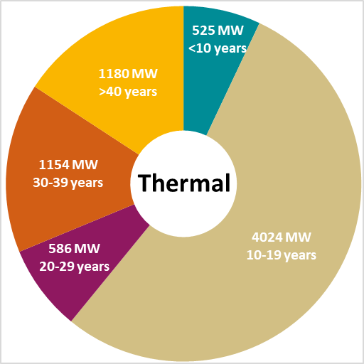
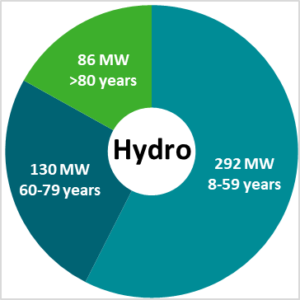
 |  | Age | Capacity (MW)
 | Thermal | <10 years | 525
 |  | 10-19 years | 4024
 |  | 20-29 years | 586
 |  | 30-39 years | 1154
 |  | >40 years | 1180
 | Hydro | 8-59 years | 292
 |  | 60-79 years | 130
 |  | >80 years | 86

3.8 Plant Availability

Table 3.11– Summary of availability parameters used in the T-4 2025/2026 Capacity Market auction

 | Technology Category | Mean Forced Outage Probability (%) | Mean Scheduled Outage Rate (weeks)
 | DSU | 7.8% | 3
 | Gas Turbine | 5.1% | 2
 | Hydro | 4.5% | 6
 | Steam Turbine | 14.2% | 3
 | Pumped Storage | 7.4% | 3
 | System Wide | 7.8% | 3
 | Interconnector | 7.5% | 2

Figure 3.7- The average 365-day annual system-wide availability in Ireland and Northern Ireland

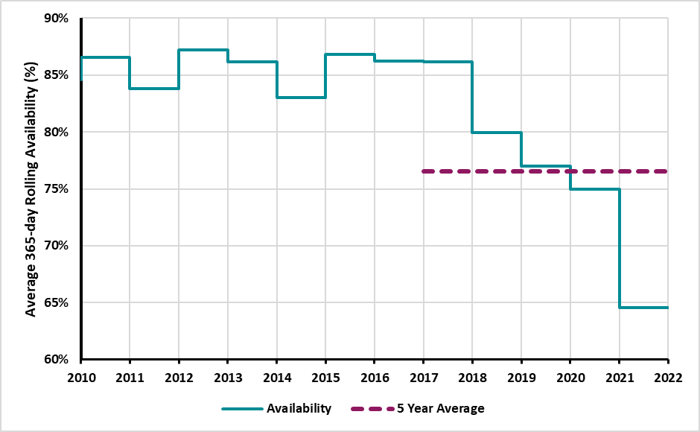
 | Year | Availability (%) | 5 Year Average (%)
 | 2010 | 86.6
 | 2011 | 83.8
 | 2012 | 87.2
 | 2013 | 86.2
 | 2014 | 83.1
 | 2015 | 86.8
 | 2016 | 86.2
 | 2017 | 86.2 | 76.5
 | 2018 | 79.9
 | 2019 | 77.0
 | 2020 | 74.9
 | 2021 | 64.6

Figure 3.8 - Average annual system-wide Forced Outage Rates in Ireland for each of the past 13 years (solid lines in navy blue), and also across 2017-2021 (Dashed Orange) and 2013-2017 (Solid Red)

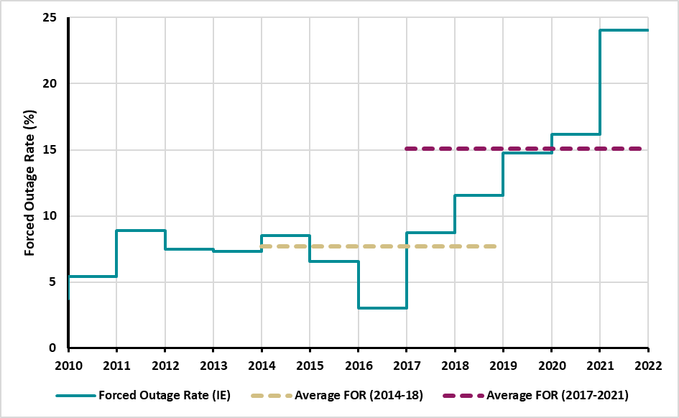
 | Year | Forced Outage Rate (IE) (%) | 5 Year Average 2014-2018 (%) | 5 Year Average 2017-2021 (%)
 | 2010 | 5.4
 | 2011 | 8.9
 | 2012 | 7.5
 | 2013 | 7.3
 | 2014 | 8.5 | 7.7
 | 2015 | 6.6
 | 2016 | 3
 | 2017 | 8.8 |  | 15.1
 | 2018 | 11.6
 | 2019 | 14.8
 | 2020 | 16.2
 | 2021 | 24.1

Figure 3.9 - Average annual system-wide FOR in Northern Ireland for each of the past 13 years (solid lines in light blue), and also across 2017-2021 (Dashed Orange) and 2013-2017 (Solid Red)

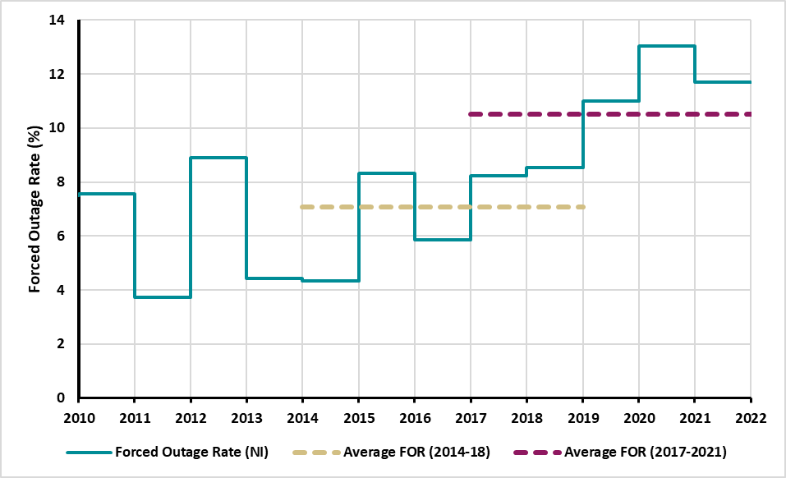
 | Year | Forced Outage Rate (NI) (%) | 5 Year Average 2014-2018 (%) | 5 Year Average 2017-2021 (%)
 | 2010 | 7.6
 | 2011 | 3.7
 | 2012 | 8.9
 | 2013 | 4.4
 | 2014 | 4.3 | 7
 | 2015 | 8.3
 | 2016 | 5.9
 | 2017 | 8.2 |  | 10.5
 | 2018 | 8.5
 | 2019 | 11
 | 2020 | 13
 | 2021 | 11.7

Figure 3.10- Ireland and Northern Ireland Conventional Unit Availability

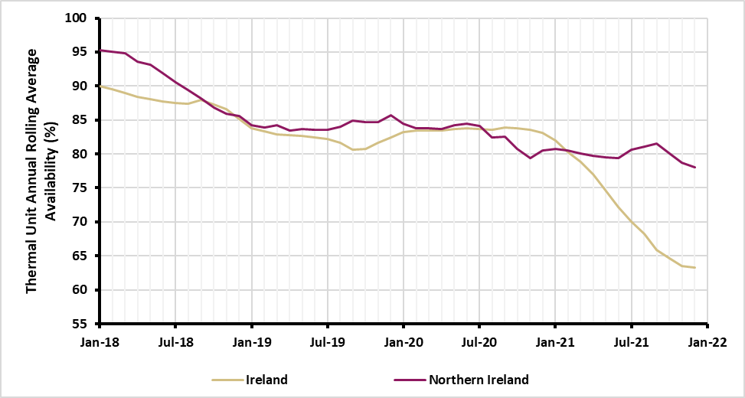
 | Date | Ireland (%) | Northern Ireland (%)
 | Jan-18 | 89.9 | 95.3
 | Feb-18 | 89.6 | 95
 | Mar-18 | 89 | 94.8
 | Apr-18 | 88.4 | 93.5
 | May-18 | 88 | 93.1
 | Jun-18 | 87.7 | 91.9
 | Jul-18 | 87.5 | 90.6
 | Aug-18 | 87.4 | 89.4
 | Sep-18 | 88 | 88.2
 | Oct-18 | 87.3 | 86.8
 | Nov-18 | 86.6 | 85.9
 | Dec-18 | 85.1 | 85.6
 | Jan-19 | 83.8 | 84.3
 | Feb-19 | 83.3 | 83.9
 | Mar-19 | 82.9 | 84.3
 | Apr-19 | 82.7 | 83.4
 | May-19 | 82.6 | 83.6
 | Jun-19 | 82.5 | 83.6
 | Jul-19 | 82.2 | 83.6
 | Aug-19 | 81.6 | 84
 | Sep-19 | 80.7 | 84.9
 | Oct-19 | 80.7 | 84.7
 | Nov-19 | 81.6 | 84.6
 | Dec-19 | 82.4 | 85.7
 | Jan-20 | 83.2 | 84.4
 | Feb-20 | 83.4 | 83.8
 | Mar-20 | 83.5 | 83.8
 | Apr-20 | 83.4 | 83.7
 | May-20 | 83.6 | 84.2
 | Jun-20 | 83.8 | 84.5
 | Jul-20 | 83.6 | 84.1
 | Aug-20 | 83.6 | 82.5
 | Sep-20 | 83.9 | 82.5
 | Oct-20 | 83.8 | 80.8
 | Nov-20 | 83.5 | 79.4
 | Dec-20 | 83.2 | 80.5
 | Jan-21 | 82 | 80.7
 | Feb-21 | 80.3 | 80.5
 | Mar-21 | 78.8 | 80.1
 | Apr-21 | 77 | 79.7
 | May-21 | 74.5 | 79.5
 | Jun-21 | 72.2 | 79.4
 | Jul-21 | 70 | 80.6
 | Aug-21 | 68.2 | 81.1
 | Sep-21 | 65.9 | 81.5
 | Oct-21 | 64.6 | 80.1
 | Nov-21 | 63.5 | 78.7
 | Dec-21 | 63.3 | 78

Adequacy
Adequacy

4.1 Adequacy Results for Ireland

Table 4.1 - Results of adequacy studies for Ireland, given in MW of surplus plant (+) or deficit (-) Figure 4.1 – Core scenario adequacy results for Ireland, in terms of surplus or deficit of plant.

 | Core Scenarios | 2022 | 2023 | 2024 | 2025 | 2026 | 2027 | 2028 | 2029 | 2030 | 2031
 | Low Demand | -270 | -300 | -600 | -1090 | -900 | -720 | -790 | -790 | -810 | -930
 | Median Demand | -380 | -530 | -940 | -1490 | -1280 | -1140 | -1280 | -1340 | -1420 | -1600
 | High Demand | -510 | -720 | -1230 | -1820 | -1700 | -1660 | -1850 | -1930 | -2030 | -2220

 | Sensitivities on Median Demand
 | No NS Availability | -480 | -630 | -1040 | -1590 | -1380 | -1240 | -1380 | -1440 | -1520 | -1700
 | No ARHL | -380 | -530 | -940 | -1490 | -850 | -710 | -840 | -900 | -980 | -1170
 | No ARHL, No Capacity Delays or Terminations | -380 | -530 | -840 | -470 | -410 | -360 | -490 | -540 | -620 | -830
 | MP Available in 2025 | -380 | -530 | -940 | -1110 | -1280 | -1140 | -1280 | -1340 | -1420 | -1600

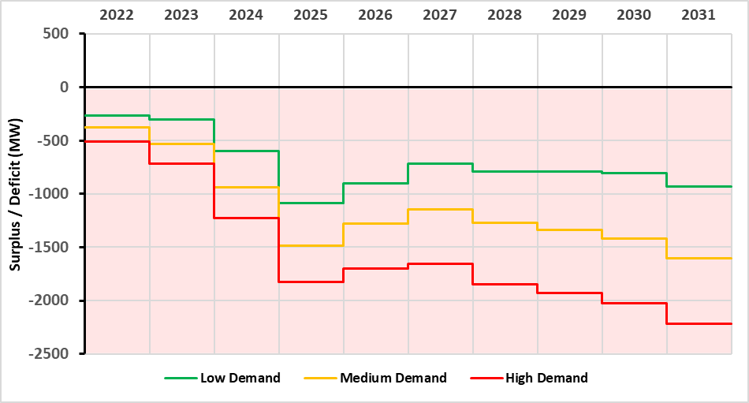

Table 4.2 - Loss of Load Expectation (LOLE) for Ireland in the median scenario

 | LOLE | 2022 | 2023 | 2024 | 2025 | 2026 | 2027 | 2028 | 2029 | 2030 | 2031
 | Median | 57 | 118 | 593 | 3,475 | 2,516 | 1,567 | 2,306 | 2,705 | 3,273 | 4,693

4.4 Adequacy Results for Northern Ireland

Figure 4.2 Adequacy results for Northern Ireland, in terms of surplus or deficit of plant (MW) Table 4.3 - Results of adequacy studies for Northern Ireland, given in MW of surplus plant (+) or deficit (-)

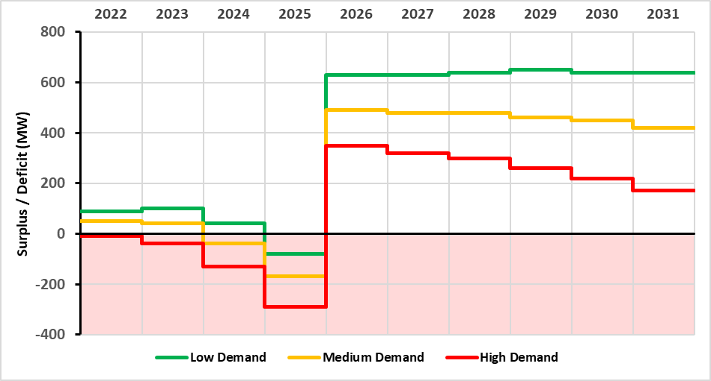

 | Scenario | 2022 | 2023 | 2024 | 2025 | 2026 | 2027 | 2028 | 2029 | 2030 | 2031
 | Median Demand | 50 | 40 | -40 | -170 | 490 | 480 | 480 | 460 | 450 | 420
 | Low Demand | 90 | 100 | 40 | -80 | 630 | 630 | 640 | 650 | 640 | 640
 | High Demand | -10 | -40 | -130 | -290 | 350 | 320 | 300 | 260 | 220 | 170

 | Sensitivities on Median Demand
 | No NS Reliance | -150 | -160 | -240 | -370 | 290 | 280 | 280 | 260 | 250 | 220
 | No NS Reliance & ARHL from 2026 | -150 | -160 | -240 | -370 | -250 | -260 | -270 | -280 | -300 | -320
 | Late Delivery | 50 | 40 | -150 | -170 | -80 | 480 | 480 | 460 | 450 | 420

Table 4.4 - Results of adequacy studies for Northern Ireland, given in Hrs of LOLE.

 | LOLE | 2022 | 2023 | 2024 | 2025 | 2026 | 2027 | 2028 | 2029 | 2030 | 2031
 | Median Demand | 2.9 | 3.1 | 8 | 31.1 | 0 | 0 | 0 | 0 | 0 | 0

4.5 Adequacy Results for the All-Island System

Figure 4.3 - Adequacy results for the All-Island system Table 4.5 - Results of adequacy studies for the All-Island system (MW)

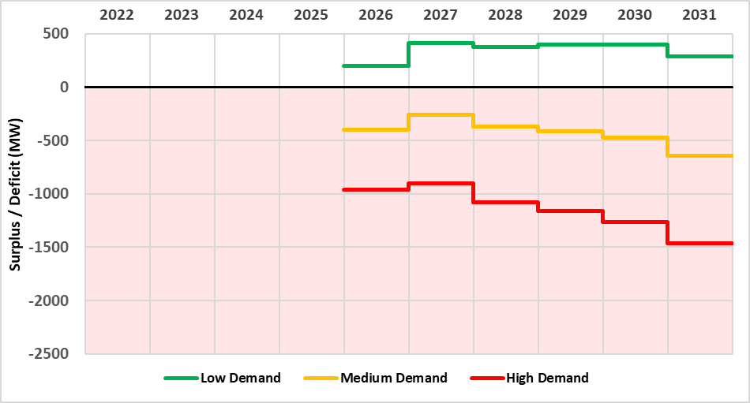

 | Scenario | 2026 | 2027 | 2028 | 2029 | 2030 | 2031
 | Median Demand | -400 | -260 | -370 | -420 | -470 | -640
 | Low Demand | 200 | 410 | 370 | 400 | 400 | 290
 | High Demand | -960 | -900 | -1080 | -1160 | -1260 | -1460

Table 4.6 - Loss of Load Expectation (LOLE) for All-Island System (hours)

 | LOLE | 2026 | 2027 | 2028 | 2029 | 2030 | 2031
 | Median Demand | 60 | 30 | 49 | 62 | 79 | 164

