KPI
 |  |  |  | R = 12-Month Rolling Figures
 |  |  |  | YTD = Year to Date Figures

Renewable Electricity as % of Demand
 | Northern Ireland | Ireland
2014 | 18% | 23%
2015 | 23% | 27%
2016 | 23% | 25%
2017 | 31% | 30%
2018 | 36% | 33%
2019 | 39% | 38%
2020 | 44% | 42%
2021 | 37% | 35%
2022 | 44% | 39%
2023 | 36% | 42%
2024R Jan | 35% | 42%
2024R Feb |  | 42%
Renewable Electricity as % of Demand
 | All Island
2014 | 22%
2015 | 26%
2016 | 25%
2017 | 30%
2018 | 34%
2019 | 38%
2020 | 43%
2021 | 35%
2022 | 40%
2023 | 40%
2024R Jan | 40%
2024R Feb
Renewable Electricity as % of Demand
 | Northern Ireland | Ireland | All Island
2014 | 18% | 23% | 22%
2015 | 23% | 27% | 26%
2016 | 23% | 25% | 25%
2017 | 31% | 30% | 30%
2018 | 36% | 33% | 34%
2019 | 39% | 38% | 38%
2020 | 44% | 42% | 43%
2021 | 37% | 35% | 35%
2022 | 44% | 39% | 40%
2023 | 36% | 42% | 40%
2024R Jan | 35% | 42% | 40%
2024R Feb |  | 42%
Data Sources:
Ireland: Until 2022: SEAI - Updated May 2023
2023 & 2024: EirGrid Metered Data
Northern Ireland: SONI metered data.
See "Fuel Mix & CO2" tab for more information.

Wind as % of Demand
 | Northern Ireland | Ireland
2014 | 17% | 18%
2015 | 21% | 23%
2016 | 20% | 21%
2017 | 27% | 25%
2018 | 31% | 28%
2019 | 33% | 32%
2020 | 37% | 36%
2021 | 30% | 29%
2022 | 38% | 33%
2023 | 30% | 35%
2024R Jan | 29% | 35%
2024R Feb |  | 35%
Wind as % of Demand
 | All Island
2014 | 18%
2015 | 22%
2016 | 21%
2017 | 25%
2018 | 29%
2019 | 32%
2020 | 36%
2021 | 30%
2022 | 34%
2023 | 34%
2024R Jan | 34%
2024R Feb
Wind as % of Demand
 | Northern Ireland | Ireland | All Island
2014 | 17% | 18% | 18%
2015 | 21% | 23% | 22%
2016 | 20% | 21% | 21%
2017 | 27% | 25% | 25%
2018 | 31% | 28% | 29%
2019 | 33% | 32% | 32%
2020 | 37% | 36% | 36%
2021 | 30% | 29% | 30%
2022 | 38% | 33% | 34%
2023 | 30% | 35% | 34%
2024R Jan | 29% | 35% | 34%
2024R Feb |  | 35%
Data Sources:
Ireland: Until 2022: SEAI - Updated May 2023
2023R: EirGrid Metered Data
Northern Ireland: SONI metered data.
See "Fuel Mix & CO2" tab for more information.

Maximum Wind Penetration as % of Demand
Maximum Wind Penetration as % of Demand
Maximum Wind Penetration as % of Demand
 | Northern Ireland | Ireland | All Island
2014 | 80% | 70% | 69%
2015 | 83% | 75% | 73%
2016 | 101% | 78% | 78%
2017 | 120% | 82% | 79%
2018 | 129% | 87% | 85%
2019 | 119% | 93% | 84%
2020 | 132% | 96% | 89%
2021 | 147% | 94% | 96%
2022 | 154% | 98% | 100%
2023 | 162% | 97% | 103%
2024YTD Mar | 137% | 95% | 96%
Source: SCADA data - See "System Data Summary" tab.
Note: NI and IE max wind levels may not occur simultaneously.

Percentage of Year with Wind at 50% of Demand or Higher
Percentage of Year with Wind at 50% of Demand or Higher
Percentage of Year with Wind at 50% of Demand or Higher
 | Northern Ireland | Ireland | All Island
2014 | 4% | 5% | 4%
2015 | 7% | 11% | 9%
2016 | 6% | 10% | 8%
2017 | 16% | 15% | 15%
2018 | 23% | 24% | 23%
2019 | 27% | 27% | 26%
2020 | 32% | 36% | 35%
2021 | 23% | 24% | 23%
2022 | 34% | 31% | 32%
2023 | 25% | 31% | 30%
2024YTD Mar | 29% | 38% | 35%
Source: SCADA data - See "System Data Summary" tab.

Total Wind Generation GWh
Total Wind Generation GWh
Total Wind Generation GWh
 | Northern Ireland | Ireland | All Island
2014 | 1,343 | 5,058 | 6,401
2015 | 1,696 | 6,536 | 8,232
2016 | 1,499 | 6,061 | 7,560
2017 | 2,034 | 7,228 | 9,262
2018 | 2,385 | 8,684 | 11,068
2019 | 2,462 | 9,497 | 11,958
2020 | 2,629 | 11,070 | 13,699
2021 | 2,164 | 9,507 | 11,671
2022 | 2,779 | 10,879 | 13,659
2023 | 2,332 | 11,398 | 13,730
2024YTD Mar | 709 | 3,627 | 4,336
Source: SCADA data - See "System Data Summary" tab.

Maximum Wind Generation Level MW
Maximum Wind Generation Level MW
Maximum Wind Generation Level MW
 | Northern Ireland | Ireland | All Island
2014 | 512 | 1,826 | 2,318
2015 | 583 | 2,037 | 2,607
2016 | 634 | 2,231 | 2,812
2017 | 831 | 2,616 | 3,281
2018 | 994 | 3,052 | 3,939
2019 | 1,008 | 3,136 | 3,996
2020 | 1,005 | 3,359 | 4,232
2021 | 997 | 3,571 | 4,472
2022 | 1,057 | 3,607 | 4,584
2023 | 1,030 | 3,840 | 4,630
2024YTD Mar | 925 | 3,802 | 4,618
Source: SCADA data - See "System Data Summary" tab.
Note: NI and IE max wind levels may not occur simultaneously.

Installed Wind Capacity MW
 | Northern Ireland | Ireland
2014 |  | 2,267
2015 |  | 2,447
2016 |  | 2,795
2017 |  | 3,313
2018 |  | 3,668
2019 |  | 4,120
2020 |  | 4,323
2021 |  | 4,333
2022 |  | 4,528
2023 | 1,364 | 4,730
Installed Wind Capacity MW
 | All Island
2014
2015
2016
2017
2018
2019
2020
2021
2022
2023 | 6,095
NI historical wind connection data is currently unavailable.
Installed Wind Capacity MW
 | Northern Ireland | Ireland | All Island
2014 |  | 2,267
2015 |  | 2,447
2016 |  | 2,795
2017 |  | 3,313
2018 |  | 3,668
2019 |  | 4,120
2020 |  | 4,323
2021 |  | 4,333
2022 |  | 4,528
2023 | 1,364 | 4,730 | 6,095

Data Sources:
Ireland TSO wind: EirGrid.
Ireland DSO wind: ESB Networks.
Northern Ireland Wind: SONI and NIE.
See "Wind Installed Capacities" and
"Connected Windfarm Lists" tabs for more information.

Wind Installed During Year MW
 | Northern Ireland | Ireland
2014 |  | 343
2015 |  | 181
2016 |  | 348
2017 |  | 518
2018 |  | 355
2019 |  | 452
2020 |  | 204
2021 |  | 9
2022 |  | 195
2023 |  | 203
Wind Installed During Year MW
 | All Island
2014
2015
2016
2017
2018
2019
2020
2021
2022
2023
NI historical wind connection data is currently unavailable.
Wind Installed During Year MW
 | Northern Ireland | Ireland | All Island
2014 |  | 343
2015 |  | 181
2016 |  | 348
2017 |  | 518
2018 |  | 355
2019 |  | 452
2020 |  | 204
2021 |  | 9
2022 |  | 195
2023 |  | 203
Data Sources:
Ireland TSO wind: EirGrid.
Ireland DSO wind: ESB Networks.
Northern Ireland Wind: SONI and NIE.
See "Wind Installed Capacities" and
"Connected Windfarm Lists" tabs for more information.

Percentage of Year with SNSP at 50% or Higher
Percentage of Year with SNSP at 50% or Higher
 |  |  | All Island
2014 |  |  | 1%
2015 |  |  | 3%
2016 |  |  | 4%
2017 |  |  | 10%
2018 |  |  | 21%
2019 |  |  | 23%
2020 |  |  | 32%
2021 |  |  | 22%
2022 |  |  | 30%
2023 |  |  | 40%
2024YTD Mar |  |  | 52%
Source: SCADA data - See "System Data Summary" tab.

Total System Demand GWh
Total System Demand GWh
Total System Demand GWh
 | Northern Ireland | Ireland | All Island
2014 | 8,588 | 25,771 | 34,359
2015 | 8,525 | 26,576 | 35,101
2016 | 8,314 | 27,155 | 35,470
2017 | 8,120 | 27,742 | 35,862
2018 | 8,100 | 28,900 | 37,001
2019 | 7,895 | 29,083 | 36,978
2020 | 7,505 | 29,331 | 36,835
2021 | 7,678 | 30,921 | 38,599
2022 | 7,402 | 31,622 | 39,023
2023 | 7,187 | 32,501 | 39,687
2024YTD Mar | 1,958 | 8,938 | 10,897
Source: SCADA data - See "System Data Summary" tab.

System Peak Demand Level MW
System Peak Demand Level MW
System Peak Demand Level MW
 | Northern Ireland | Ireland | All Island
2014 | 1,684 | 4,613 | 6,270
2015 | 1,709 | 4,704 | 6,397
2016 | 1,649 | 4,761 | 6,375
2017 | 1,628 | 4,940 | 6,532
2018 | 1,652 | 4,914 | 6,504
2019 | 1,590 | 5,014 | 6,548
2020 | 1,551 | 5,348 | 6,894
2021 | 1,562 | 5,367 | 6,804
2022 | 1,524 | 5,523 | 7,015
2023 | 1,470 | 5,442 | 6,828
2024YTD Mar | 1,453 | 5,567 | 6,995
Source: SCADA data - See "System Data Summary" tab.
Note: NI and IE peak demand levels may not occur simultaneously

Wind Dispatch Down %
Wind Dispatch Down %
Wind Dispatch Down %
 | Northern Ireland | Ireland | All Island
2014 | 3% | 4% | 4%
2015 | 5% | 5% | 5%
2016 | 3% | 3% | 3%
2017 | 5% | 4% | 4%
2018 | 9% | 5% | 6%
2019 | 11% | 7% | 8%
2020 | 15% | 11% | 12%
2021 | 8% | 7% | 7%
2022 | 9% | 8% | 9%
2023 | 19% | 9% | 11%
2024YTD Mar | 23% | 6% | 10%
See dispatch down reports online for more figures and information:
Renewable Energy (eirgridgroup.com)
Renewable Energy (soni.ltd.uk)

Solar Dispatch Down %
 | Northern Ireland | Ireland
2014
2015
2016
2017
2018
2019 | 4%
2020 | 6%
2021 | 3%
2022 | 5%
2023 | 8% | 9%
2024YTD Mar | 10% | 6%
Solar Dispatch Down %
 | All Island
2014
2015
2016
2017
2018
2019 | 4%
2020 | 6%
2021 | 3%
2022 | 5%
2023 | 9%
2024YTD Mar | 7%
Solar Dispatch Down %
 | Northern Ireland | Ireland | All Island
2014
2015
2016
2017
2018
2019 | 4% |  | 4%
2020 | 6% |  | 6%
2021 | 3% |  | 3%
2022 | 5% |  | 5%
2023 | 8% | 9% | 9%
2024YTD Mar | 10% | 6% | 7%
See dispatch down reports online for more figures and information:
Renewable Energy (eirgridgroup.com)
Renewable Energy (soni.ltd.uk)
Solar Start Dates:
Northern Ireland: 2019
Ireland: April 2023

All Renewable Dispatch Down %
 | Northern Ireland | Ireland
2014
2015
2016 | 3% | 2%
2017 | 4% | 3%
2018 | 8% | 4%
2019 | 9% | 6%
2020 | 13% | 10%
2021 | 7% | 6%
2022 | 8% | 7%
2023 | 16% | 8%
2024YTD Jan | 16% | 5%
All Renewable Dispatch Down %
 | All Island
2014
2015
2016 | 2%
2017 | 3%
2018 | 5%
2019 | 7%
2020 | 11%
2021 | 6%
2022 | 8%
2023 | 9%
2024YTD Jan | 7%
All Renewable Dispatch Down %
 | Northern Ireland | Ireland | All Island
2014
2015
2016 | 3% | 2% | 2%
2017 | 4% | 3% | 3%
2018 | 8% | 4% | 5%
2019 | 9% | 6% | 7%
2020 | 13% | 10% | 11%
2021 | 7% | 6% | 6%
2022 | 8% | 7% | 8%
2023 | 16% | 8% | 9%
2024YTD Jan | 16% | 5% | 7%
See dispatch down reports online for more figures and information:
Renewable Energy (eirgridgroup.com)
Renewable Energy (soni.ltd.uk)

Fuel Mix & CO2
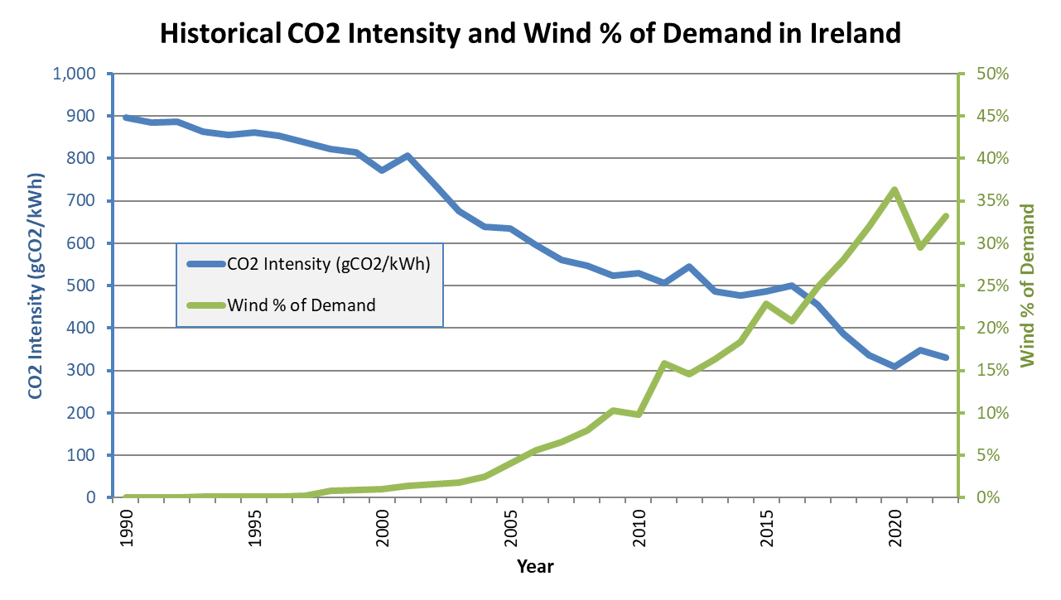
Electricity Fuel Mix as Percentage of Demand - Latest Available 12-Month Average:

Effective Period | Mar 2023 to Feb 2024 |  | Feb 2023 to Jan 2024 |  | Feb 2023 to Jan 2024
 | Ireland |  | Northern Ireland |  | All Island
Fuel | GWh | % | GWh | % | GWh | %
Coal | 1,173.7 | 3.5% | 453.8 | 5.9% | 1,622.6 | 4.0%
Oil | 96.0 | 0.3% | 4.2 | 0.1% | 139.4 | 0.3%
NR Peat | 0.0 | 0.0% |  | 0.0% | 0.0 | 0.0%
Gas | 14,170.1 | 42.5% | 3,696.2 | 48.4% | 18,028.8 | 44.2%
Wind | 11,627.4 | 34.8% | 2,219.1 | 29.0% | 13,754.8 | 33.7%
Solar | 435.2 | 1.30% | 102.4 | 1.3% | 526.8 | 1.3%
Hydro | 1,002.1 | 3.0% | 15.1 | 0.2% | 958.4 | 2.3%
Other Renewable | 897.8 | 2.7% | 373.9 | 4.9% | 1,252.9 | 3.1%
Other Non-Renewable | 317.9 | 1.0% | 3.7 | 0.0% | 315.9 | 0.8%
Net Imports | 3,647.0 | 10.9% | 775.2 | 10.1% | 4,204.2 | 10.3%
Total Demand | 33,367.2 | 100.0% | 7,643.6 | 100.0% | 40,803.8 | 100.0%
Total Renewables | 13,962.5 | 41.8% | 2,710.5 | 35.5% | 16,492.9 | 40.4%
Note: Ireland's 2023 fuel mix is based on EirGrid's and ESBN's metered data, but does not include certain small scale/micro generation figures.
The final official fuel mix figures are published by SEAI annually in May for the previous calendar year.
Until then, Ireland's fuel mix figures are provisional, but with estimated accuracy in excess of 95%.
SEAI's figures are comprised of EirGrid's provisional figures plus other small scale and micro generation data compiled by SEAI.
Data Sources: Ireland: EirGrid metered data + SEAI. Northern Ireland: SONI + NIEN metered data. See additional notes below.

Electricity Fuel Mix as Percentage of Demand - Calendar Year Charts:

Ireland Fuel Mix 2023
Northern Ireland Fuel Mix 2023
All Island Fuel Mix 2023

Electricity Fuel Mix as Percentage of Demand - Calendar Year Figures:

 | Ireland |  |  |  |  |  |  |  |  |  |  |  |  |  |  |  |  |  |  |  | Northern Ireland |  |  |  |  |  |  |  |  |  |  |  |  |  |  |  |  |  |  |  | All Island
 | 2014 |  | 2015 |  | 2016 |  | 2017 |  | 2018 |  | 2019 |  | 2020 |  | 2021 |  | 2022 |  | 2023 |  | 2014 |  | 2015 |  | 2016 |  | 2017 |  | 2018 |  | 2019 |  | 2020 |  | 2021 |  | 2022 |  | 2023 |  | 2014 |  | 2015 |  | 2016 |  | 2017 |  | 2018 |  | 2019 |  | 2020 |  | 2021 |  | 2022 |  | 2023
Fuel Type | GWh | % | GWh | % | GWh | % | GWh | % | GWh | % | GWh | % | GWh | % | GWh | % | GWh | % | GWh | % | GWh | % | GWh | % | GWh | % | GWh | % | GWh | % | GWh | % | GWh | % | GWh | % | GWh | % | GWh | % | GWh | % | GWh | % | GWh | % | GWh | % | GWh | % | GWh | % | GWh | % | GWh | % | GWh | % | GWh | %
Coal | 3,956.4 | 14.2% | 4,874.2 | 16.9% | 4,695.9 | 15.9% | 3,644.5 | 12.2% | 2,151.7 | 7.0% | 505.6 | 1.6% | 673.1 | 2.1% | 2,717.5 | 8.2% | 2,363.3 | 7.0% | 1,216.5 | 3.7% | 2,064.4 | 23.6% | 2,018.8 | 23.0% | 2,034.1 | 23.3% | 1,300.3 | 15.5% | 1,272.5 | 15.1% | 866.3 | 10.4% | 994.3 | 12.4% | 1,169.1 | 14.4% | 947.5 | 12.5% | 509.1 | 6.6% | 6,020.9 | 16.4% | 6,892.9 | 18.4% | 6,730.0 | 17.6% | 4,944.9 | 12.9% | 3,424.2 | 8.7% | 1,371.9 | 3.5% | 1,667.4 | 4.2% | 3,886.6 | 9.4% | 3,310.9 | 8.0% | 1,725.6 | 4.2%
Oil | 258.7 | 0.9% | 407.1 | 1.4% | 292.6 | 1.0% | 141.9 | 0.5% | 139.4 | 0.5% | 282.5 | 0.9% | 389.4 | 1.2% | 1,453.2 | 4.4% | 1,074.1 | 3.2% | 117.7 | 0.4% | 6.0 | 0.1% | 9.8 | 0.1% | 26.6 | 0.3% | 13.0 | 0.2% | 28.2 | 0.3% | 15.0 | 0.2% | 15.1 | 0.2% | 24.3 | 0.3% | 13.9 | 0.2% | 4.0 | 0.1% | 264.7 | 0.7% | 416.9 | 1.1% | 319.2 | 0.8% | 154.9 | 0.4% | 167.6 | 0.4% | 297.5 | 0.7% | 404.6 | 1.0% | 1,477.4 | 3.6% | 1,087.9 | 2.6% | 121.8 | 0.3%
NR Peat | 2,496.1 | 8.9% | 2,518.2 | 8.8% | 2,317.9 | 7.9% | 2,164.4 | 7.2% | 2,090.7 | 6.8% | 1,927.1 | 6.1% | 918.6 | 2.9% | 324.9 | 1.0% | 247.8 | 0.7% | 129.5 | 0.4% |  | 0% |  | 0% |  | 0% |  | 0% |  | 0% |  | 0% |  | 0% |  | 0% |  | 0% |  | 0% | 2,496.1 | 6.8% | 2,518.2 | 6.7% | 2,317.9 | 6.1% | 2,164.4 | 5.6% | 2,090.7 | 5.3% | 1,927.1 | 4.9% | 918.6 | 2.3% | 324.9 | 0.8% | 247.8 | 0.6% | 129.5 | 0.3%
Gas | 12,635.0 | 45.2% | 12,367.5 | 43.0% | 15,328.4 | 51.9% | 15,679.9 | 52.3% | 16,014.0 | 51.9% | 15,906.2 | 50.7% | 16,236.4 | 51.0% | 15,155.5 | 45.7% | 16,621.8 | 48.9% | 14,247.0 | 43.2% | 3,835.6 | 43.8% | 4,150.1 | 47.3% | 4,440.4 | 50.9% | 4,788.9 | 56.9% | 3,828.4 | 45.6% | 4,047.5 | 48.5% | 3,936.0 | 49.3% | 4,178.1 | 51.5% | 4,438.3 | 58.6% | 3,626.4 | 46.8% | 16,470.7 | 44.9% | 16,517.6 | 44.0% | 19,768.8 | 51.7% | 20,468.7 | 53.3% | 19,842.3 | 50.5% | 19,953.7 | 50.3% | 20,172.3 | 50.7% | 19,333.7 | 46.8% | 21,060.1 | 50.7% | 17,873.5 | 43.9%
Wind | 5,140.1 | 18.4% | 6,573.0 | 22.8% | 6,147.0 | 20.8% | 7,444.0 | 24.8% | 8,639.8 | 28.0% | 10,019.5 | 32.0% | 11,549.4 | 36.3% | 9,775.9 | 29.5% | 11,281.2 | 33.2% | 11,605.1 | 35.2% | 1,452.6 | 16.6% | 1,802.7 | 20.5% | 1,714.9 | 19.7% | 2,270.4 | 27.0% | 2,577.9 | 30.7% | 2,762.6 | 33.1% | 2,960.9 | 37.1% | 2,439.8 | 30.0% | 2,905.4 | 38.3% | 2,306.4 | 29.7% | 6,592.7 | 18.0% | 8,375.7 | 22.3% | 7,861.9 | 20.6% | 9,714.4 | 25.3% | 11,217.6 | 28.6% | 12,782.0 | 32.2% | 14,510.4 | 36.4% | 12,215.8 | 29.6% | 14,186.7 | 34.1% | 13,911.5 | 34.1%
Solar | 1.9 | 0.01% | 3.2 | 0.01% | 5.0 | 0.02% | 9.8 | 0.03% | 18.2 | 0.1% | 33.7 | 0.1% | 53.6 | 0.2% | 79.8 | 0.2% | 115.8 | 0.34% | 411.0 | 1.25% | - | 0.0% | - | 0.0% | - | 0.0% | - | 0.0% | - | 0.0% | 149.2 | 1.8% | 165.6 | 2.1% | 162.7 | 2.0% | 103.2 | 1.4% | 103.8 | 1.3% | 1.9 | 0.0% | 3.2 | 0.0% | 5.0 | 0.0% | 9.8 | 0.0% | 18.2 | 0.0% | 182.9 | 0.5% | 219.1 | 0.6% | 242.5 | 0.6% | 219.0 | 0.5% | 514.8 | 1.3%
Hydro | 708.7 | 2.5% | 806.5 | 2.8% | 681.0 | 2.3% | 691.6 | 2.3% | 694.1 | 2.2% | 886.6 | 2.8% | 932.7 | 2.9% | 749.3 | 2.3% | 707.3 | 2.1% | 932.3 | 2.8% | 12.7 | 0.1% | 12.0 | 0.1% | 9.6 | 0.1% | 11.1 | 0.1% | 15.1 | 0.2% | 18.1 | 0.2% | 18.7 | 0.2% | 15.2 | 0.2% | 27.3 | 0.4% | 15.1 | 0.2% | 721.3 | 2.0% | 818.5 | 2.2% | 690.6 | 1.8% | 702.7 | 1.8% | 709.2 | 1.8% | 904.7 | 2.3% | 951.3 | 2.4% | 764.5 | 1.9% | 734.7 | 1.8% | 947.4 | 2.3%
Other Renewables | 541.0 | 1.9% | 478.6 | 1.7% | 679.2 | 2.3% | 735.2 | 2.5% | 848.3 | 2.7% | 854.8 | 2.7% | 923.8 | 2.9% | 994.8 | 3.0% | 1,009.5 | 3.0% | 748.5 | 2.3% | 104.0 | 1.2% | 183.6 | 2.1% | 323.2 | 3.7% | 339.0 | 4.0% | 441.9 | 5.3% | 336.5 | 4.0% | 356.7 | 4.5% | 364.1 | 4.5% | 276.0 | 3.6% | 374.8 | 4.8% | 645.0 | 1.8% | 662.2 | 1.8% | 1,002.4 | 2.6% | 1,074.2 | 2.8% | 1,290.3 | 3.3% | 1,191.3 | 3.0% | 1,280.4 | 3.2% | 1,358.9 | 3.3% | 1,285.5 | 3.1% | 1,123.3 | 2.8%
Other Non-Renewables | 69.6 | 0.2% | 74.1 | 0.3% | 72.8 | 0.2% | 159.3 | 0.5% | 301.6 | 1.0% | 294.7 | 0.9% | 298.9 | 0.9% | 322.0 | 1.0% | 319.9 | 0.9% | 311.2 | 0.9% | 6.0 | 0.1% | 4.6 | 0.1% | 4.4 | 0.1% | 4.4 | 0.1% | 9.4 | 0.1% | 3.1 | 0.04% | 3.6 | 0.04% | 3.0 | 0.04% | 4.1 | 0.05% | 3.7 | 0.05% | 75.5 | 0.2% | 78.7 | 0.2% | 77.2 | 0.2% | 163.7 | 0.4% | 311.0 | 0.8% | 297.8 | 0.7% | 302.4 | 0.8% | 325.0 | 0.8% | 324.0 | 0.8% | 314.9 | 0.8%
Net Imports | 2149.1 | 7.7% | 673.4 | 2.3% | -711.7 | -2.4% | -678.5 | -2.3% | -27.7 | -0.1% | 644.5 | 2.1% | -151.9 | -0.5% | 1587.6 | 4.8% | 222.8 | 0.7% | 3274.8 | 9.9% | 1284.7 | 14.7% | 595.4 | 6.8% | 172.3 | 2.0% | -313.8 | -3.7% | 229.7 | 2.7% | 149.3 | 1.8% | -464.0 | -5.8% | -236.5 | -2.9% | -1135.9 | -15.0% | 813.1 | 10.5% | 3433.7 | 9.4% | 1268.7 | 3.4% | -539.4 | -1.4% | -992.3 | -2.6% | 202.0 | 0.5% | 793.8 | 2.0% | -615.8 | -1.5% | 1351.0 | 3.3% | -913.1 | -2.2% | 4087.8 | 10.0%
Total Demand | 27,956.5 | 100.0% | 28,775.6 | 100.0% | 29,508.1 | 100.0% | 29,992.2 | 100.0% | 30,870.1 | 100.0% | 31,355.2 | 100.0% | 31,824.0 | 100.0% | 33,160.6 | 100.0% | 33,963.6 | 100.0% | 32,993.6 | 100.0% | 8,766.0 | 100.0% | 8,776.9 | 100.0% | 8,725.5 | 100.0% | 8,413.2 | 100.0% | 8,403.0 | 100.0% | 8,347.5 | 100.0% | 7,986.8 | 100.0% | 8,119.8 | 100.0% | 7,579.7 | 100.0% | 7,756.5 | 100.0% | 36,722.5 | 100.0% | 37,552.6 | 100.0% | 38,233.6 | 100.0% | 38,405.4 | 100.0% | 39,273.1 | 100.0% | 39,702.7 | 100.0% | 39,810.8 | 100.0% | 41,280.4 | 100.0% | 41,543.3 | 100.0% | 40,750.1 | 100.0%
Renewables | 6,391.6 | 22.9% | 7,861.2 | 27.3% | 7,512.3 | 25.5% | 8,880.7 | 29.6% | 10,200.4 | 33.0% | 11,794.6 | 37.6% | 13,459.4 | 42.3% | 11,599.9 | 35.0% | 13,113.9 | 38.6% | 13,696.9 | 41.5% | 1,569.3 | 17.9% | 1,998.3 | 22.8% | 2,047.6 | 23.5% | 2,620.4 | 31.1% | 3,034.9 | 36.1% | 3,266.4 | 39.1% | 3,501.8 | 43.8% | 2,981.9 | 36.7% | 3,311.9 | 43.7% | 2,800.1 | 36.1% | 7,961.0 | 21.7% | 9,859.5 | 26.3% | 9,559.9 | 25.0% | 11,501.1 | 29.9% | 13,235.3 | 33.7% | 15,061.0 | 37.9% | 16,961.3 | 42.6% | 14,581.7 | 35.3% | 16,425.8 | 39.5% | 16,497.0 | 40.5%

Updated: Mar 2024

Notes:
All figures represent net exported energy.
Negative net imports indicate net exported energy.

Data Sources:
Ireland:
Final calendar year figures are provided by SEAI in May/Jun of the following year. Until then provisional figures are provided by EirGrid.
SEAI's figures are comprised of EirGrid's provisional figures plus other small scale and micro generation data compiled by SEAI.
EirGrid provisional figures consist of: EirGrid/SEMO metered data + ESBN/MRSO metered data for distribution-connected generation.
EirGrid and SEAI may publish future updates to fuel mix figures as more data is collected throughout the year.
Other Non-Renewables include: non-renewable waste energy, non-renewable CHP and Diesel.
Other Renewables include: renewable CHP, bio energy (biomass, biogas, LFG) and ocean energy (tidal and wave).
Pumped hydro is not included. It is considered storage or delayed output rather than primary production.
Northern Ireland: Fuel mix figures are based on latest metered data provided by SONI and NIEN.
Other Non-Renewables include: DSO CHP and Diesel.
Other Renewables include: Biomass, Biogas, LFG, Renewable CHP and Hydro.

Differences:
The data contained in the "System Data Summary" tab is indicative as it is based on raw 15-minute average SCADA readings which are produced in real time and have yet to be quality controlled.
The data contained in this tab however represents "metered data" which is more accurate than the real-time SCADA data and used for official purposes.
This metered data will have been put through a quality control process and therefore may not be available until a few months after the event.
Metered data may also be updated in the future if more updates are received from the various data sources.

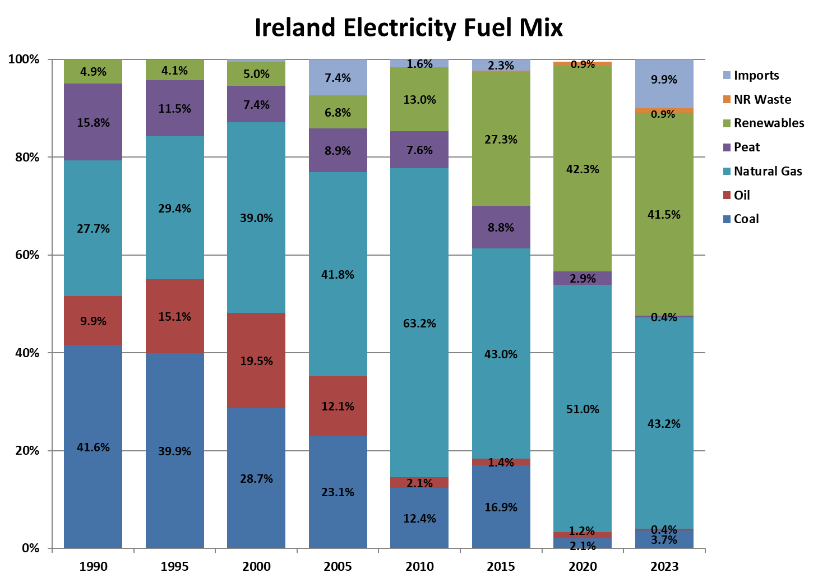
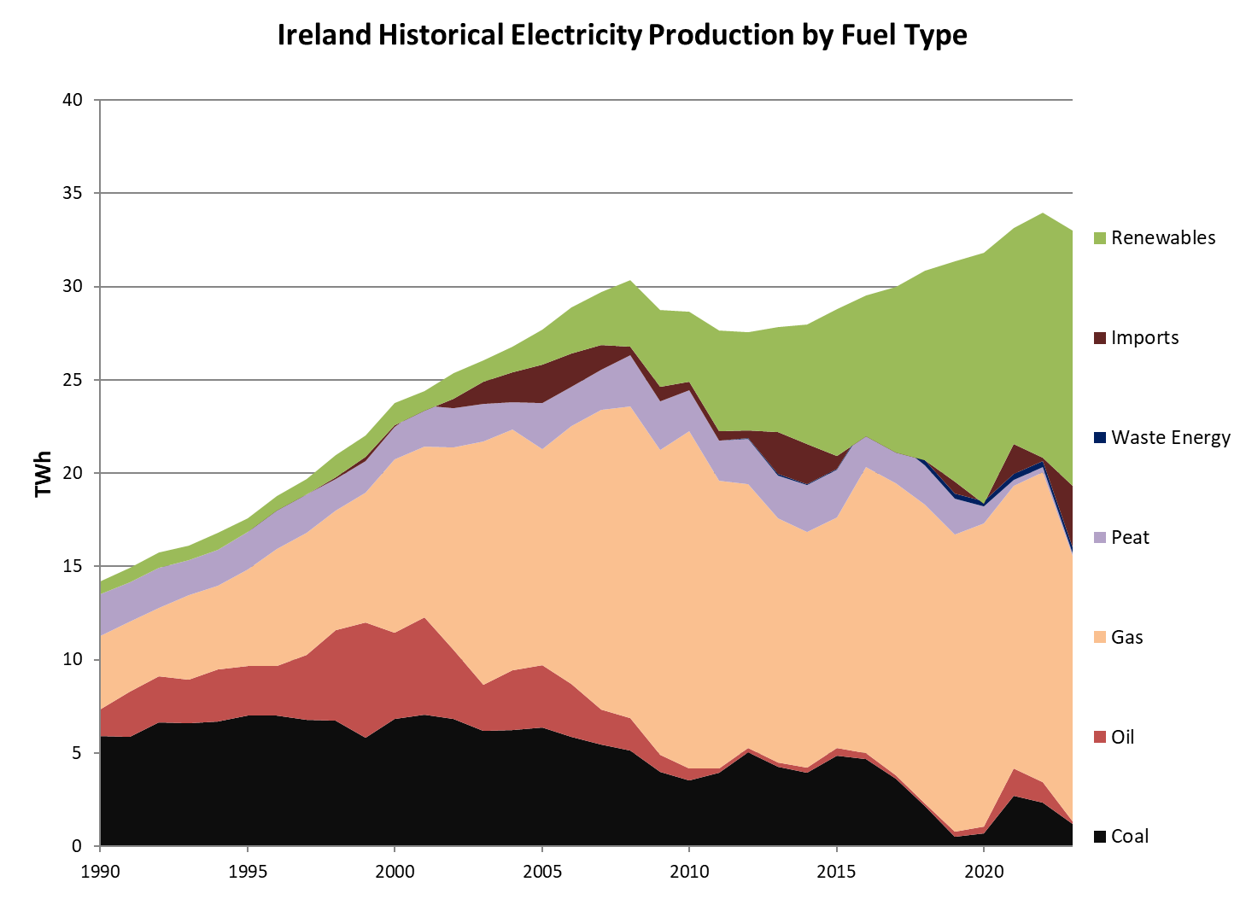

Electricity Fuel Mix as Percentage of Demand (Ireland only) - Source: SEAI - May 2023
Percentages (%)
Ireland Electricity Fuel Mix | 1990 | 1991 | 1992 | 1993 | 1994 | 1995 | 1996 | 1997 | 1998 | 1999 | 2000 | 2001 | 2002 | 2003 | 2004 | 2005 | 2006 | 2007 | 2008 | 2009 | 2010 | 2011 | 2012 | 2013 | 2014 | 2015 | 2016 | 2017 | 2018 | 2019 | 2020 | 2021 | 2022
Coal | 41.6% | 39.2% | 42.2% | 41.0% | 39.8% | 39.9% | 37.3% | 34.5% | 32.2% | 26.5% | 28.7% | 29.0% | 26.9% | 23.8% | 23.3% | 23.1% | 20.4% | 18.3% | 16.9% | 13.9% | 12.4% | 14.3% | 18.2% | 15.4% | 14.2% | 16.9% | 15.9% | 12.2% | 7.0% | 1.6% | 2.1% | 8.2% | 7.0%
Peat | 15.8% | 14.4% | 13.8% | 11.6% | 11.4% | 11.5% | 11.7% | 10.5% | 8.1% | 7.6% | 7.4% | 9.0% | 8.2% | 7.8% | 5.6% | 8.9% | 7.4% | 7.3% | 9.1% | 9.2% | 7.6% | 7.7% | 8.8% | 8.2% | 8.9% | 8.8% | 7.9% | 7.2% | 6.8% | 6.1% | 2.9% | 1.0% | 0.7%
Oil: | 9.9% | 16.2% | 15.6% | 14.4% | 16.7% | 15.1% | 14.2% | 17.6% | 23.1% | 28.0% | 19.5% | 21.3% | 14.7% | 9.4% | 12.0% | 12.1% | 9.8% | 6.4% | 5.6% | 3.2% | 2.1% | 0.8% | 0.9% | 0.7% | 0.9% | 1.4% | 1.0% | 0.5% | 0.5% | 0.9% | 1.2% | 4.4% | 3.2%
Gas Oil | 0.1% | 0.1% | 0.1% | 0.1% | 0.3% | 0.2% | 0.1% | 0.1% | 0.2% | 0.3% | 0.3% | 0.2% | 0.1% | 0.4% | 0.2% | 0.8% | 0.9% | 0.2% | 0.2% | 0.1% | 0.5% | 0.1% | 0.1% | 0.1% | 0.1% | 0.4% | 0.2% | 0.1% | 0.1% | 0.2% | 0.1% | 0.4% | 0.4%
Fuel Oil | 9.8% | 16.0% | 15.4% | 14.3% | 16.4% | 14.8% | 14.0% | 17.3% | 22.8% | 27.5% | 19.0% | 20.9% | 14.4% | 8.8% | 11.6% | 11.1% | 8.8% | 6.0% | 5.3% | 2.9% | 1.4% | 0.6% | 0.6% | 0.5% | 0.7% | 0.8% | 0.7% | 0.3% | 0.3% | 0.7% | 1.1% | 4.0% | 2.8%
Refinery Gas | 0.04% | 0.05% | 0.09% | 0.07% | 0.09% | 0.12% | 0.08% | 0.20% | 0.20% | 0.21% | 0.21% | 0.21% | 0.16% | 0.16% | 0.16% | 0.15% | 0.13% | 0.15% | 0.10% | 0.10% | 0.16% | 0.13% | 0.15% | 0.10% | 0.10% | 0.18% | 0.07% | 0.01% | 0.00% | 0.00% | 0.00% | 0.00% | 0.00%
LPG | 0.00% | 0.00% | 0.00% | 0.00% | 0.00% | 0.00% | 0.00% | 0.00% | 0.00% | 0.00% | 0.00% | 0.00% | 0.00% | 0.00% | 0.00% | 0.00% | 0.00% | 0.00% | 0.00% | 0.00% | 0.01% | 0.01% | 0.01% | 0.01% | 0.01% | 0.01% | 0.01% | 0.01% | 0.01% | 0.01% | 0.01% | 0.01% | 0.01%
Natural Gas | 27.7% | 25.2% | 23.1% | 28.1% | 26.5% | 29.4% | 33.5% | 33.4% | 30.7% | 31.6% | 39.0% | 37.5% | 42.7% | 50.1% | 48.1% | 41.8% | 47.7% | 54.1% | 55.0% | 56.7% | 63.2% | 55.8% | 51.3% | 47.2% | 45.2% | 43.0% | 51.9% | 52.3% | 51.9% | 50.7% | 51.0% | 45.7% | 48.9%
Renewables: | 4.9% | 5.0% | 5.2% | 4.8% | 5.6% | 4.1% | 4.1% | 4.1% | 5.6% | 5.1% | 5.0% | 4.2% | 5.5% | 4.4% | 5.2% | 6.8% | 8.6% | 9.4% | 11.8% | 14.3% | 13.0% | 19.6% | 19.1% | 20.2% | 22.9% | 27.3% | 25.5% | 29.6% | 33.0% | 37.6% | 42.3% | 35.0% | 38.6%
Hydro | 4.9% | 5.0% | 5.2% | 4.7% | 5.5% | 4.1% | 3.8% | 3.4% | 4.4% | 3.8% | 3.6% | 2.4% | 3.6% | 2.3% | 2.4% | 2.3% | 2.5% | 2.2% | 3.2% | 3.1% | 2.1% | 2.6% | 2.9% | 2.2% | 2.5% | 2.8% | 2.3% | 2.3% | 2.2% | 2.8% | 2.9% | 2.3% | 2.1%
Wind | 0.0% | 0.0% | 0.0% | 0.1% | 0.1% | 0.1% | 0.1% | 0.3% | 0.8% | 0.8% | 1.0% | 1.4% | 1.5% | 1.7% | 2.4% | 4.0% | 5.6% | 6.6% | 7.9% | 10.3% | 9.8% | 15.8% | 14.6% | 16.3% | 18.4% | 22.8% | 20.8% | 24.8% | 28.0% | 32.0% | 36.3% | 29.5% | 33.2%
Solar PV | 0% | 0% | 0% | 0% | 0% | 0% | 0% | 0% | 0% | 0% | 0% | 0% | 0% | 0% | 0% | 0% | 0% | 0% | 0% | 0.001% | 0.002% | 0.002% | 0.002% | 0.003% | 0.007% | 0.01% | 0.02% | 0.03% | 0.06% | 0.11% | 0.17% | 0.24% | 0.34%
Other Renewables | 0.0% | 0.0% | 0.0% | 0.0% | 0.0% | 0% | 0.14% | 0.41% | 0.41% | 0.41% | 0.40% | 0.40% | 0.32% | 0.33% | 0.41% | 0.47% | 0.44% | 0.60% | 0.71% | 0.91% | 1.1% | 1.2% | 1.6% | 1.7% | 1.9% | 1.7% | 2.3% | 2.5% | 2.7% | 2.7% | 2.9% | 3.0% | 3.0%
Non-Renewable Waste | 0% | 0% | 0% | 0% | 0% | 0% | 0% | 0% | 0% | 0% | 0% | 0% | 0% | 0% | 0% | 0% | 0% | 0% | 0% | 0% | 0% | 0% | 0.18% | 0.24% | 0.25% | 0.26% | 0.25% | 0.53% | 1.0% | 0.9% | 0.9% | 1.0% | 0.9%
Net Imports | 0% | 0% | 0% | 0% | 0% | -0.09% | -0.69% | -0.06% | 0.38% | 1.1% | 0.4% | -1.0% | 2.0% | 4.5% | 5.9% | 7.4% | 6.2% | 4.5% | 1.5% | 2.7% | 1.6% | 1.8% | 1.5% | 8.1% | 7.7% | 2.3% | -2.4% | -2.3% | -0.1% | 2.1% | -0.5% | 4.8% | 0.7%
Total | 100% | 100% | 100% | 100% | 100% | 100% | 100% | 100% | 100% | 100% | 100% | 100% | 100% | 100% | 100% | 100% | 100% | 100% | 100% | 100% | 100% | 100% | 100% | 100% | 100% | 100% | 100% | 100% | 100% | 100% | 100% | 100% | 100%

Volumes (GWh)
Ireland Electricity Fuel Mix | 1990 | 1991 | 1992 | 1993 | 1994 | 1995 | 1996 | 1997 | 1998 | 1999 | 2000 | 2001 | 2002 | 2003 | 2004 | 2005 | 2006 | 2007 | 2008 | 2009 | 2010 | 2011 | 2012 | 2013 | 2014 | 2015 | 2016 | 2017 | 2018 | 2019 | 2020 | 2021 | 2022
Coal | 5,918.0 | 5,853.0 | 6,658.0 | 6,618.0 | 6,684.0 | 7,018.0 | 6,992.0 | 6,787.0 | 6,740.0 | 5,832.0 | 6,817.0 | 7,062.0 | 6,821.0 | 6,203.0 | 6,229.0 | 6,389.0 | 5,884.0 | 5,437.0 | 5,141.9 | 4,004.3 | 3,554.7 | 3,944.8 | 5,024.4 | 4,282.6 | 3,956.4 | 4,874.2 | 4,695.9 | 3,644.5 | 2,151.7 | 505.6 | 673.1 | 2,717.5 | 2,363.3
Peat | 2,245.0 | 2,147.0 | 2,180.0 | 1,875.0 | 1,913.0 | 2,017.0 | 2,187.0 | 2,059.0 | 1,694.0 | 1,682.0 | 1,770.0 | 2,193.0 | 2,082.0 | 2,028.0 | 1,487.0 | 2,450.0 | 2,138.0 | 2,162.2 | 2,754.4 | 2,629.1 | 2,179.0 | 2,129.8 | 2,437.8 | 2,281.5 | 2,496.1 | 2,518.2 | 2,317.9 | 2,164.4 | 2,090.7 | 1,927.1 | 918.6 | 324.9 | 247.8
Oil: | 1,411.0 | 2,417.0 | 2,455.0 | 2,324.0 | 2,815.0 | 2,660.0 | 2,662.0 | 3,465.0 | 4,849.0 | 6,169.0 | 4,638.0 | 5,203.0 | 3,729.0 | 2,454.0 | 3,211.0 | 3,340.0 | 2,834.0 | 1,898.7 | 1,708.1 | 917.8 | 603.2 | 233.7 | 235.8 | 188.8 | 258.7 | 407.1 | 292.6 | 141.9 | 139.4 | 282.5 | 389.4 | 1,453.2 | 1,074.1
Gas Oil | 19.0 | 17.0 | 21.0 | 13.0 | 49.0 | 41.0 | 25.0 | 29.0 | 36.0 | 64.0 | 69.0 | 59.0 | 34.0 | 112.0 | 63.0 | 227.0 | 249.0 | 70.9 | 53.9 | 41.5 | 140.4 | 37.1 | 36.2 | 20.8 | 37.5 | 109.6 | 52.5 | 34.5 | 36.6 | 58.1 | 47.5 | 122.1 | 121.9
Fuel Oil | 1,386.0 | 2,393.0 | 2,420.0 | 2,299.0 | 2,751.0 | 2,598.0 | 2,622.0 | 3,396.0 | 4,772.0 | 6,058.0 | 4,518.0 | 5,093.0 | 3,653.0 | 2,300.0 | 3,105.0 | 3,070.0 | 2,545.0 | 1,783.2 | 1,621.8 | 846.7 | 415.3 | 158.6 | 156.9 | 136.6 | 191.4 | 242.4 | 215.9 | 101.8 | 99.2 | 220.9 | 339.6 | 1,328.3 | 948.9
Refinery Gas | 6.0 | 7.0 | 14.0 | 12.0 | 15.0 | 21.0 | 15.0 | 40.0 | 41.0 | 47.0 | 51.0 | 51.0 | 41.0 | 41.0 | 42.0 | 42.0 | 39.0 | 43.2 | 31.0 | 28.2 | 45.0 | 35.6 | 40.0 | 28.2 | 26.9 | 51.6 | 21.0 | 2.0 | 0.0 | 0.0 | 0.0 | 0.0 | 0.0
LPG | 0.0 | 0.0 | 0.0 | 0.0 | 0.0 | 0.0 | 0.0 | 0.0 | 0.0 | 0.0 | 0.0 | 0.0 | 1.0 | 1.0 | 1.0 | 1.0 | 1.0 | 1.4 | 1.4 | 1.4 | 2.5 | 2.4 | 2.7 | 3.3 | 2.8 | 3.5 | 3.2 | 3.6 | 3.5 | 3.5 | 2.3 | 2.8 | 3.3
Natural Gas | 3,941.0 | 3,752.0 | 3,648.0 | 4,535.0 | 4,456.0 | 5,160.0 | 6,291.0 | 6,569.0 | 6,425.0 | 6,958.0 | 9,263.0 | 9,147.0 | 10,829.0 | 13,038.0 | 12,894.0 | 11,574.0 | 13,785.0 | 16,057.7 | 16,716.1 | 16,298.1 | 18,110.8 | 15,432.2 | 14,139.3 | 13,129.8 | 12,635.0 | 12,367.5 | 15,328.4 | 15,679.9 | 16,014.0 | 15,906.2 | 16,236.4 | 15,155.5 | 16,621.8
Renewables: | 697.0 | 746.0 | 822.0 | 780.0 | 939.0 | 729.0 | 763.0 | 809.0 | 1,170.0 | 1,125.0 | 1,186.0 | 1,027.0 | 1,382.0 | 1,138.0 | 1,394.0 | 1,873.4 | 2,474.7 | 2,802.1 | 3,595.3 | 4,117.6 | 3,728.8 | 5,423.6 | 5,256.3 | 5,627.6 | 6,391.6 | 7,861.2 | 7,512.3 | 8,880.7 | 10,200.4 | 11,794.6 | 13,459.4 | 11,599.9 | 13,113.9
Hydro | 697.0 | 746.0 | 817.0 | 765.0 | 920.0 | 713.0 | 722.0 | 678.0 | 916.0 | 847.0 | 847.0 | 596.0 | 912.0 | 598.0 | 630.0 | 631.3 | 724.3 | 666.6 | 968.3 | 901.7 | 599.2 | 706.7 | 802.3 | 599.5 | 708.7 | 806.5 | 681.0 | 691.6 | 694.1 | 886.6 | 932.7 | 749.3 | 707.3
Wind | 0.0 | 0.0 | 5.0 | 15.0 | 19.0 | 16.0 | 14.0 | 50.0 | 169.0 | 187.0 | 244.0 | 334.0 | 388.0 | 454.0 | 655.0 | 1,111.9 | 1,622.0 | 1,958.4 | 2,410.0 | 2,955.2 | 2,814.7 | 4,380.3 | 4,010.5 | 4,541.5 | 5,140.1 | 6,573.0 | 6,147.0 | 7,444.0 | 8,639.8 | 10,019.5 | 11,549.4 | 9,775.9 | 11,281.2
Solar PV | 0.0 | 0.0 | 0.0 | 0.0 | 0.0 | 0.0 | 0.0 | 0.0 | 0.0 | 0.0 | 0.0 | 0.0 | 0.0 | 0.0 | 0.0 | 0.0 | 0.0 | 0.0 | 0.0 | 0.4 | 0.5 | 0.5 | 0.6 | 0.7 | 1.9 | 3.2 | 5.0 | 9.8 | 18.2 | 33.7 | 53.6 | 79.8 | 115.8
Other Renewables | 0.0 | 0.0 | 0.0 | 0.0 | 0.0 | 0.0 | 27.0 | 81.0 | 85.0 | 91.0 | 95.0 | 97.0 | 82.0 | 86.0 | 109.0 | 130.3 | 128.4 | 177.1 | 217.0 | 260.2 | 314.4 | 336.0 | 442.8 | 485.9 | 541.0 | 478.6 | 679.2 | 735.2 | 848.3 | 854.8 | 923.8 | 994.8 | 1,009.5
Non-Renewable Waste | 0.0 | 0.0 | 0.0 | 0.0 | 0.0 | 0.0 | 0.0 | 0.0 | 0.0 | 0.0 | 0.0 | 0.0 | 0.0 | 0.0 | 0.0 | 0.0 | 0.0 | 0.0 | 0.0 | 0.0 | 0.0 | 0.0 | 49.7 | 65.5 | 69.6 | 74.1 | 72.8 | 159.3 | 301.6 | 294.7 | 298.9 | 322.0 | 319.9
Net Imports | 0.0 | 0.0 | 0.0 | 0.0 | 0.0 | -15.0 | -129.0 | -12.0 | 79.0 | 241.0 | 98.0 | -250.0 | 503.0 | 1,166.0 | 1,574.0 | 2,044.2 | 1,777.9 | 1,330.4 | 450.2 | 763.8 | 470.3 | 490.1 | 413.5 | 2,242.2 | 2,149.1 | 673.4 | -711.7 | -678.5 | -27.7 | 644.5 | -151.9 | 1,587.6 | 222.8
Total Demand | 14,212.0 | 14,915.0 | 15,763.0 | 16,132.0 | 16,807.0 | 17,569.0 | 18,766.0 | 19,677.0 | 20,957.0 | 22,007.0 | 23,772.0 | 24,382.0 | 25,346.0 | 26,027.0 | 26,789.0 | 27,670.6 | 28,893.6 | 29,687.9 | 30,366.0 | 28,730.7 | 28,646.7 | 27,654.1 | 27,556.7 | 27,817.9 | 27,956.5 | 28,775.6 | 29,508.1 | 29,992.2 | 30,870.1 | 31,355.2 | 31,824.0 | 33,160.6 | 33,963.6

Notes:
Data source for Ireland's electricity fuel mix figures (the two tables directly above): Sustainable Energy Authority of Ireland (SEAI).
These figures are comprised of EirGrid's centrally dispatched generation figures plus small scale generation data compiled by SEAI.
SEAI may publish future updates to fuel mix figures as more data is collected throughout the year.
The "Oil" and "Renewable" rows are subtotals of the relevant categories below them.
"Other Renewable" energy source include renewable CHP, bio energy, solar and ocean energy.
Pumped hydro is not included in the hydro figures. It is considered storage and delayed output rather than primary production.
Negative net imports indicate net exported energy.

CO2 Intensity from Electricity Generation in Ireland (gCO2/kWh)
Year | 1990 | 1991 | 1992 | 1993 | 1994 | 1995 | 1996 | 1997 | 1998 | 1999 | 2000 | 2001 | 2002 | 2003 | 2004 | 2005 | 2006 | 2007 | 2008 | 2009 | 2010 | 2011 | 2012 | 2013 | 2014 | 2015 | 2016 | 2017 | 2018 | 2019 | 2020 | 2021 | 2022
Intensity gCO2/kWh | 896.3 | 884.9 | 887.3 | 862.3 | 855.1 | 860.8 | 854.3 | 838.8 | 823.1 | 814.9 | 770.6 | 806.7 | 742.9 | 675.1 | 638.2 | 635.6 | 596.2 | 561.0 | 547.9 | 524.4 | 529.8 | 506.5 | 546.0 | 487.2 | 476.6 | 485.8 | 500.8 | 454.5 | 386.9 | 336.4 | 309.1 | 348.0 | 331.0
Source: SEAI - May 2023

